resistance
...
 |  |  |  |  |  |  |  |  |  |  |  |  |  |  |  |  |  |  |  | Rhull | Rpod | Radd | Rtotal | m/s | km/h
 |  |  |  |  |  |  |  |  |  |  |  |  |  |  |  |  |  | additional |  | [N] | [N] | [N] | [N] | 1 | 3.6
 |  |  |  |  |  |  |  |  |  |  |  |  |  |  |  |  |  | 0.00 | 0.00 | 0.00 | 0.00 | 0.00 | 0.00 | 1.5 | 5.4
 |  |  |  |  |  |  |  |  |  |  |  |  |  |  |  |  |  | 0.00 | 0.00 | 8.51 | 0.95 | 0.00 | 9.46 | 2 | 7.2
 |  |  |  |  |  |  |  |  |  |  |  |  |  |  |  |  |  | 0.00 | 0.00 | 17.02 | 1.89 | 0.00 | 18.91 | 2.5 | 9
Resistance
 |  |  |  |  |  |  |  |  |  |  |  |  |  |  |  |  |  | 0.00 | 0.00 | 25.53 | 2.84 | 0.00 | 28.37 | 3 | 10.8
 |  |  |  |  |  |  |  |  |  |  |  |  |  |  |  |  |  | 0.00 | 0.00 | 34.04 | 3.78 | 0.00 | 37.82 | 3.5 | 12.6
 |  |  |  |  |  |  |  |  |  |  |  |  |  |  |  |  |  | 0.00 | 0.00 | 42.55 | 4.73 | 0.00 | 47.28 | 4 | 14.4
 |  |  |  |  |  |  |  |  |  |  |  |  |  |  |  |  |  | 0.00 | 0.00 | 51.06 | 5.67 | 0.00 | 56.73 | 4.5 | 16.2
 |  |  |  |  |  |  |  |  |  |  |  |  |  |  |  |  |  | 0.00 | 0.00 | 59.57 | 6.62 | 0.00 | 66.19 | 5 | 18
 |  |  |  |  |  |  |  |  |  |  |  |  |  |  |  |  |  | 0.00 | 0.00 | 68.08 | 7.56 | 0.00 | 75.64 | 5.5 | 19.8
 |  |  |  |  |  |  |  |  |  |  |  |  |  |  |  |  |  | 0.00 | 0.00 | 76.59 | 8.51 | 0.00 | 85.10 | 6 | 21.6
 |  |  |  |  |  |  |  |  |  |  |  |  |  |  |  |  |  | 0.00 | 0.00 | 85.10 | 9.46 | 0.00 | 94.55 | 6.5 | 23.4
 |  |  |  |  |  |  |  |  |  |  |  |  |  |  |  |  |  | 0.00 | 0.00 | 93.61 | 10.40 | 0.00 | 104.01 | 7 | 25.2
 |  |  |  |  |  |  |  |  |  |  |  |  |  |  |  |  |  | 0.00 | 0.00 | 102.30 | 11.39 | 0.00 | 113.69
 |  |  |  |  |  |  |  |  |  |  |  |  |  |  |  |  |  | 0.00 | 0.00 | 120.47 | 14.37 | 0.00 | 134.84
 |  |  |  |  |  |  |  |  |  |  |  |  |  |  |  |  |  | 0.00 | 0.00 | 138.62 | 17.35 | 0.00 | 155.97
 |  |  |  |  |  |  |  |  |  |  |  |  |  |  |  |  |  | 0.00 | 0.00 | 154.08 | 20.24 | 0.00 | 174.32
 |  |  |  |  |  |  |  |  |  |  |  |  |  |  |  |  |  | 0.00 | 0.00 | 169.55 | 23.13 | 0.00 | 192.68
 |  |  |  |  |  |  |  |  |  |  |  |  |  |  |  |  |  | 0.00 | 0.00 | 185.50 | 26.21 | 0.00 | 211.71
 |  |  |  |  |  |  |  |  |  |  |  |  |  |  |  |  |  | 0.00 | 0.00 | 201.46 | 29.28 | 0.00 | 230.74
 |  |  |  |  |  |  |  |  |  |  |  |  |  |  |  |  |  | 0.00 | 0.00 | 218.49 | 33.17 | 0.00 | 251.66
 |  |  |  |  |  |  |  |  |  |  |  |  |  |  |  |  |  | 0.00 | 0.00 | 235.57 | 37.10 | 0.00 | 272.67
 |  |  |  |  |  |  |  |  |  |  |  |  |  |  |  |  |  | 0.00 | 0.00 | 253.80 | 42.11 | 0.00 | 295.90
 |  |  |  |  |  |  |  |  |  |  |  |  |  |  |  |  |  | 0.00 | 0.00 | 272.03 | 47.11 | 0.00 | 319.14
 |  |  |  |  |  |  |  |  |  |  |  |  |  |  |  |  |  | 0.00 | 0.00 | 292.23 | 52.21 | 0.00 | 344.45
 |  |  |  |  |  |  |  |  |  |  |  |  |  |  |  |  |  | 0.00 | 0.00 | 312.48 | 57.32 | 0.00 | 369.79
 |  |  |  |  |  |  |  |  |  |  |  |  |  |  |  |  |  | 0.00 | 0.00 | 325.51 | 59.71 | 0.00 | 385.21
 |  |  |  |  |  |  |  |  |  |  |  |  |  |  |  |  |  | 0.00 | 0.00 | 338.53 | 62.10 | 0.00 | 400.62
 |  | 0.0 | 27 | 7.50 | 14.58 | 0.979 | 6.667 | FALSE | 8 | 9 | 6.667 | 0.000 | -0.125 | 312.50 | 0.00 | 57.32 | 0.00 | 0.00 | 0.00 | 351.55 | 64.48 | 0.00 | 416.03
 |  | 0.0 | 28 | 7.78 | 15.12 | 1.015 | 6.667 | FALSE | 8 | 9 | 6.667 | 0.000 | -0.167 | 312.50 | 0.00 | 57.32 | 0.00 | 0.00 | 0.00 | 364.57 | 66.87 | 0.00 | 431.44
 |  | 0.0 | 29 | 8.06 | 15.66 | 1.052 | 6.667 | FALSE | 8 | 9 | 6.667 | 0.000 | -0.208 | 312.50 | 0.00 | 57.32 | 0.00 | 0.00 | 0.00 | 377.59 | 69.26 | 0.00 | 446.85
 |  | 0.0 | 30 | 8.33 | 16.20 | 1.088 | 6.667 | FALSE | 8 | 9 | 6.667 | 0.000 | -0.250 | 312.50 | 0.00 | 57.32 | 0.00 | 0.00 | 0.00 | 390.61 | 71.65 | 0.00 | 462.26

 |  |  | 15.99 | 4.44 | 8.63 | 0.580 | 4.442 | FALSE | 4 | 5 | 4.442 | 5.009 | 0.000 | 169.41 | 201.98 | 23.10 | 29.38 | 0.00 | 0.00 | 169.41 | 23.10 | 0.00 | 192.51
 |  |  | 21.58 | 5.99 | 11.65 | 0.783 | 5.553 | FALSE | 6 | 7 | 5.553 | 6.116 | 0.784 | 235.40 | 272.35 | 37.05 | 47.20 | 0.00 | 0.00 | 264.37 | 45.01 | 0.00 | 309.38

0.000 | 5
3.328 | 10
3.888 | 11.122085752
4.442 | 12
5.009 | 12.7
5.553 | 13.6
6.116 | 14.770550903
6.667 | 15.5

propulsion ENG
...
 |  |  |  |  |  |  |  |  |  |  |  |  |  |  |  |  |  |  |  |  |  |  |  |  |  |  |  |  |  |  |  |  |  |  | 5 | 6 | 7 | 8 | 9 | 10 | 11 | 12 | 13 | 14 | 15 | 16 | 17 | 18 | 19 | 20 | 21 | 22 | 23 | 24 | 25 | 26 | 27 | 28 | 29 | 30 | 31 | 32
 |  |  |  |  |  |  |  |  |  |  |  |  |  |  |  |  |  |  |  |  |  |  |  |  |  |  |  |  |  |  |  |  |  |  | 0.000 | 0.000 | 0.000 | 0.000 | 0.000 | 0.000 | 0.000 | 0.000 | 0.000 | 0.000 | 0.000 | 0.000 | 0.000 | 0.000 | 0.000 | 0.000 | 0.000 | 0.000 | 0.000 | 0.000 | 0.000 | 0.000 | 0.000 | 0.000 | 0.000 | 0.000 | 0.000 | 0.000
 |  |  |  |  |  |  |  |  |  |  |  |  |  |  |  |  |  |  |  |  |  |  |  |  |  |  |  |  |  |  |  |  |  |  | 0.066 | 0.066 | 0.066 | 0.066 | 0.066 | 0.066 | 0.066 | 0.066 | 0.066 | 0.066 | 0.066 | 0.066 | 0.066 | 0.066 | 0.066 | 0.066 | 0.066 | 0.066 | 0.066 | 0.066 | 0.066 | 0.066 | 0.066 | 0.066 | 0.066 | 0.066 | 0.066 | 0.066
 |  |  |  |  |  |  |  |  |  |  |  |  |  |  |  |  |  |  |  |  |  |  |  |  |  |  |  |  |  |  |  |  |  |  | 0.459 | 0.574 | 0.690 | 0.803 | 0.916 | 1.032 | 1.145 | 1.263 | 1.375 | 1.489 | 1.600 | 1.718 | 1.829 | 1.980 | 2.092 | 2.205 | 2.319 | 2.431
 |  |  |  |  |  |  |  |  |  |  |  |  |  |  |  |  |  |  |  |  |  |  |  |  |  |  |  |  |  |  |  |  |  |  | 0.122 | 0.120 | 0.114 | 0.116 | 0.107 | 0.105 | 0.103 | 0.100 | 0.096 | 0.092 | 0.094 | 0.078 | 0.068 | 0.052 | 0.040 | 0.026 | 0.010 | -0.005
 |  |  |  |  |  |  |  |  |  |  |  |  |  |  |  |  |  |  |  |  |  |  |  |  |  |  |  |  |  |  |  |  |  |  | 0.254 | 0.253 | 0.259 | 0.262 | 0.265 | 0.268 | 0.272 | 0.275 | 0.276 | 0.276 | 0.279 | 0.248 | 0.228 | 0.192 | 0.164 | 0.133 | 0.100 | 0.070
 |  |  |  |  |  |  |  |  |  |  |  |  |  |  |  |  |  |  |  |  |  |  |  |  |  |  |  |  |  |  |  |  |  |  | 0.35 | 0.43 | 0.48 | 0.56 | 0.59 | 0.64 | 0.69 | 0.73 | 0.76 | 0.79 | 0.85 | 0.86 | 0.87 | 0.85 | 0.81 | 0.68 | 0.36 | 0.00 | #DIV/0! | #DIV/0! | #DIV/0! | #DIV/0! | #DIV/0! | #DIV/0! | #DIV/0! | #DIV/0! | #DIV/0! | #DIV/0!
...
 | Kt |  | Kq |  | KT/J^2 |  | eta |  | operational point |  | top_peed
0.000 | 0.109 | 0.000 | 0.258 | 0.000 | 0.0000 | 0.000 | 0.00 | 1.4380 | 0.0000 | 1.5204 | 0.0000
0.117 | 0.116 | 0.117 | 0.267 | 0.117 | 0.0006 | 0.117 | 0.08 | 1.4380 | 0.7734 | 1.5204 | 0.8053
0.228 | 0.119 | 0.228 | 0.266 | 0.228 | 0.0023 | 0.228 | 0.16
0.347 | 0.121 | 0.347 | 0.259 | 0.347 | 0.0054 | 0.347 | 0.26
0.459 | 0.122 | 0.459 | 0.254 | 0.459 | 0.0095 | 0.459 | 0.35
0.574 | 0.120 | 0.574 | 0.253 | 0.574 | 0.0149 | 0.574 | 0.43
0.690 | 0.114 | 0.690 | 0.259 | 0.690 | 0.0215 | 0.690 | 0.48
0.803 | 0.116 | 0.803 | 0.262 | 0.803 | 0.0291 | 0.803 | 0.56
0.916 | 0.107 | 0.916 | 0.265 | 0.916 | 0.0379 | 0.916 | 0.59
1.032 | 0.105 | 1.032 | 0.268 | 1.032 | 0.0480 | 1.032 | 0.64
1.145 | 0.103 | 1.145 | 0.272 | 1.145 | 0.0591 | 1.145 | 0.69
1.263 | 0.100 | 1.263 | 0.275 | 1.263 | 0.0720 | 1.263 | 0.73
1.375 | 0.096 | 1.375 | 0.276 | 1.375 | 0.0853 | 1.375 | 0.76
1.489 | 0.092 | 1.489 | 0.276 | 1.489 | 0.1000 | 1.489 | 0.79
1.600 | 0.094 | 1.600 | 0.279 | 1.600 | 0.1155 | 1.600 | 0.85
1.718 | 0.078 | 1.718 | 0.248 | 1.718 | 0.1332 | 1.718 | 0.86
1.829 | 0.068 | 1.829 | 0.228 | 1.829 | 0.1509 | 1.829 | 0.87
1.980 | 0.052 | 1.980 | 0.192 | 1.980 | 0.1769 | 1.980 | 0.85
2.092 | 0.040 | 2.092 | 0.164 | 2.092 | 0.1974 | 2.092 | 0.81
2.205 | 0.026 | 2.205 | 0.133 | 2.205 | 0.2194 | 2.205 | 0.68
2.319 | 0.010 | 2.319 | 0.100 | 2.319 | 0.2426 | 2.319 | 0.36
2.431 | -0.005 | 2.431 | 0.070 | 2.431 | 0.2666 | 2.431 | 0.00
 |  |  |  |  | 0.0000 |  | 0.00
 |  |  |  |  | 0.0000 |  | 0.00
 |  |  |  |  | 0.0000 |  | 0.00
 |  |  |  |  | 0.0000 |  | 0.00
 |  |  |  |  | 0.0000 |  | 0.00
 |  |  |  |  | 0.0000 |  | 0.00
 |  |  |  |  | 0.0000 |  | 0.00
 |  |  |  |  | 0.0000 |  | 0.00
 |  |  |  |  | 0.0000 |  | 0.00
 |  |  |  |  | 0.0000 |  | 0.00
 |  |  |  |  | 0.0000 |  | 0.00
 |  |  |  |  | 0.0000 |  | 0.00
 |  |  |  |  | 0.0000 |  | 0.00
 |  |  |  |  | 0.0000 |  | 0.00
 |  |  |  |  | 0.0000 |  | 0.00
 |  |  |  |  |  |  |  |  |  |  |  |  |  |  |  |  |  |  |  |  |  |  |  |  |  |  |  |  |  |  |  |  |  |  | 0.0000 | 0.0000 | 0.0000 | 0.0000 | 0.0000 | 0.0000 | 0.0000 | 0.0000 | 0.0000 | 0.0000 | 0.0000 | 0.0000 | 0.0000 | 0.0000 | 0.0000 | 0.0000 | 2.3919 | 0.0000 | 0.0000 | 0.0000 | 0.0000 | 0.0000 | 0.0000 | 0.0000 | 0.0000 | 0.0000 | 0.0000 | 0.0000
 |  |  |  |  |  |  |  |  |  |  |  |  |  |  |  |  |  |  |  |  |  |  |  |  |  |  |  |  |  |  |  |  |  |  | 0.4640 | 0.0000 | 0.0000 | 0.0000 | 0.0000 | 0.0000 | 0.0000 | 0.0000 | 0.0000 | 0.0000 | 0.0000 | 0.0000 | 0.0000 | 0.0000 | 0.0000 | 0.0000 | 0.0000 | 0.0000 | 0.0000 | 0.0000 | 0.0000 | 0.0000 | 0.0000 | 0.0000 | 0.0000 | 0.0000 | 0.0000 | 0.0000
 |  |  |  |  |  |  |  |  |  |  |  |  |  |  |  |  |  |  |  |  |  |  |  |  |  |  |  |  |  |  |  |  |  |  | 0.0000 | 0.6391 | 0.0000 | 0.0000 | 0.0000 | 0.0000 | 0.0000 | 0.0000 | 0.0000 | 0.0000 | 0.0000 | 0.0000 | 0.0000 | 0.0000 | 0.0000 | 0.0000 | 0.0000 | 0.0000 | 0.0000 | 0.0000 | 0.0000 | 0.0000 | 0.0000 | 0.0000 | 0.0000 | 0.0000 | 0.0000 | 0.0000
 |  |  |  |  |  |  |  |  |  |  |  |  |  |  |  |  |  |  |  |  |  |  |  |  |  |  |  |  |  |  |  |  |  |  | 0.0000 | 0.0000 | 0.7798 | 0.0000 | 0.0000 | 0.0000 | 0.0000 | 0.0000 | 0.0000 | 0.0000 | 0.0000 | 0.0000 | 0.0000 | 0.0000 | 0.0000 | 0.0000 | 0.0000 | 0.0000 | 0.0000 | 0.0000 | 0.0000 | 0.0000 | 0.0000 | 0.0000 | 0.0000 | 0.0000 | 0.0000 | 0.0000
 |  |  |  |  |  |  |  |  |  |  |  |  |  |  |  |  |  |  |  |  |  |  |  |  |  |  |  |  |  |  |  |  |  |  | 0.0000 | 0.0000 | 0.0000 | 0.8794 | 0.0000 | 0.0000 | 0.0000 | 0.0000 | 0.0000 | 0.0000 | 0.0000 | 0.0000 | 0.0000 | 0.0000 | 0.0000 | 0.0000 | 0.0000 | 0.0000 | 0.0000 | 0.0000 | 0.0000 | 0.0000 | 0.0000 | 0.0000 | 0.0000 | 0.0000 | 0.0000 | 0.0000
 |  |  |  |  |  |  |  |  |  |  |  |  |  |  |  |  |  |  |  |  |  |  |  |  |  |  |  |  |  |  |  |  |  |  | 0.0000 | 0.0000 | 0.0000 | 0.0000 | 0.9673 | 0.0000 | 0.0000 | 0.0000 | 0.0000 | 0.0000 | 0.0000 | 0.0000 | 0.0000 | 0.0000 | 0.0000 | 0.0000 | 0.0000 | 0.0000 | 0.0000 | 0.0000 | 0.0000 | 0.0000 | 0.0000 | 0.0000 | 0.0000 | 0.0000 | 0.0000 | 0.0000
 |  |  |  |  |  |  |  |  |  |  |  |  |  |  |  |  |  |  |  |  |  |  |  |  |  |  |  |  |  |  |  |  |  |  | 0.0000 | 0.0000 | 0.0000 | 0.0000 | 0.0000 | 1.0525 | 0.0000 | 0.0000 | 0.0000 | 0.0000 | 0.0000 | 0.0000 | 0.0000 | 0.0000 | 0.0000 | 0.0000 | 0.0000 | 0.0000 | 0.0000 | 0.0000 | 0.0000 | 0.0000 | 0.0000 | 0.0000 | 0.0000 | 0.0000 | 0.0000 | 0.0000
 |  |  |  |  |  |  |  |  |  |  |  |  |  |  |  |  |  |  |  |  |  |  |  |  |  |  |  |  |  |  |  |  |  |  | 0.0000 | 0.0000 | 0.0000 | 0.0000 | 0.0000 | 1.1274 | 0.0000 | 0.0000 | 0.0000 | 0.0000 | 0.0000 | 0.0000 | 0.0000 | 0.0000 | 0.0000 | 0.0000 | 0.0000 | 0.0000 | 0.0000 | 0.0000 | 0.0000 | 0.0000 | 0.0000 | 0.0000 | 0.0000 | 0.0000 | 0.0000 | 0.0000
 |  |  |  |  |  |  |  |  |  |  |  |  |  |  |  |  |  |  |  |  |  |  |  |  |  |  |  |  |  |  |  |  |  |  | 0.0000 | 0.0000 | 0.0000 | 0.0000 | 0.0000 | 0.0000 | 1.1945 | 0.0000 | 0.0000 | 0.0000 | 0.0000 | 0.0000 | 0.0000 | 0.0000 | 0.0000 | 0.0000 | 0.0000 | 0.0000 | 0.0000 | 0.0000 | 0.0000 | 0.0000 | 0.0000 | 0.0000 | 0.0000 | 0.0000 | 0.0000 | 0.0000
 |  |  |  |  |  |  |  |  |  |  |  |  |  |  |  |  |  |  |  |  |  |  |  |  |  |  |  |  |  |  |  |  |  |  | 0.0000 | 0.0000 | 0.0000 | 0.0000 | 0.0000 | 0.0000 | 1.2577 | 0.0000 | 0.0000 | 0.0000 | 0.0000 | 0.0000 | 0.0000 | 0.0000 | 0.0000 | 0.0000 | 0.0000 | 0.0000 | 0.0000 | 0.0000 | 0.0000 | 0.0000 | 0.0000 | 0.0000 | 0.0000 | 0.0000 | 0.0000 | 0.0000
 |  |  |  |  |  |  |  |  |  |  |  |  |  |  |  |  |  |  |  |  |  |  |  |  |  |  |  |  |  |  |  |  |  |  | 0.0000 | 0.0000 | 0.0000 | 0.0000 | 0.0000 | 0.0000 | 0.0000 | 1.3127 | 0.0000 | 0.0000 | 0.0000 | 0.0000 | 0.0000 | 0.0000 | 0.0000 | 0.0000 | 0.0000 | 0.0000 | 0.0000 | 0.0000 | 0.0000 | 0.0000 | 0.0000 | 0.0000 | 0.0000 | 0.0000 | 0.0000 | 0.0000
 |  |  |  |  |  |  |  |  |  |  |  |  |  |  |  |  |  |  |  |  |  |  |  |  |  |  |  |  |  |  |  |  |  |  | 0.0000 | 0.0000 | 0.0000 | 0.0000 | 0.0000 | 0.0000 | 0.0000 | 1.3650 | 0.0000 | 0.0000 | 0.0000 | 0.0000 | 0.0000 | 0.0000 | 0.0000 | 0.0000 | 0.0000 | 0.0000 | 0.0000 | 0.0000 | 0.0000 | 0.0000 | 0.0000 | 0.0000 | 0.0000 | 0.0000 | 0.0000 | 0.0000
 |  |  |  |  |  |  |  |  |  |  |  |  |  |  |  |  |  |  |  |  |  |  |  |  |  |  |  |  |  |  |  |  |  |  | 0.0000 | 0.0000 | 0.0000 | 0.0000 | 0.0000 | 0.0000 | 0.0000 | 0.0000 | 1.4114 | 0.0000 | 0.0000 | 0.0000 | 0.0000 | 0.0000 | 0.0000 | 0.0000 | 0.0000 | 0.0000 | 0.0000 | 0.0000 | 0.0000 | 0.0000 | 0.0000 | 0.0000 | 0.0000 | 0.0000 | 0.0000 | 0.0000
 |  |  |  |  |  |  |  |  |  |  |  |  |  |  |  |  |  |  |  |  |  |  |  |  |  |  |  |  |  |  |  |  |  |  | 0.0000 | 0.0000 | 0.0000 | 0.0000 | 0.0000 | 0.0000 | 0.0000 | 0.0000 | 1.4057 | 0.0000 | 0.0000 | 0.0000 | 0.0000 | 0.0000 | 0.0000 | 0.0000 | 0.0000 | 0.0000 | 0.0000 | 0.0000 | 0.0000 | 0.0000 | 0.0000 | 0.0000 | 0.0000 | 0.0000 | 0.0000 | 0.0000
 |  |  |  |  |  |  |  |  |  |  |  |  |  |  |  |  |  |  |  |  |  |  |  |  |  |  |  |  |  |  |  |  |  |  | 0.0000 | 0.0000 | 0.0000 | 0.0000 | 0.0000 | 0.0000 | 0.0000 | 0.0000 | 1.4071 | 0.0000 | 0.0000 | 0.0000 | 0.0000 | 0.0000 | 0.0000 | 0.0000 | 0.0000 | 0.0000 | 0.0000 | 0.0000 | 0.0000 | 0.0000 | 0.0000 | 0.0000 | 0.0000 | 0.0000 | 0.0000 | 0.0000
 |  |  |  |  |  |  |  |  |  |  |  |  |  |  |  |  |  |  |  |  |  |  |  |  |  |  |  |  |  |  |  |  |  |  | 0.0000 | 0.0000 | 0.0000 | 0.0000 | 0.0000 | 0.0000 | 0.0000 | 0.0000 | 1.4219 | 0.0000 | 0.0000 | 0.0000 | 0.0000 | 0.0000 | 0.0000 | 0.0000 | 0.0000 | 0.0000 | 0.0000 | 0.0000 | 0.0000 | 0.0000 | 0.0000 | 0.0000 | 0.0000 | 0.0000 | 0.0000 | 0.0000
 |  |  |  |  |  |  |  |  |  |  |  |  |  |  |  |  |  |  |  |  |  |  |  |  |  |  |  |  |  |  |  |  |  |  | 0.0000 | 0.0000 | 0.0000 | 0.0000 | 0.0000 | 0.0000 | 0.0000 | 0.0000 | 1.4381 | 0.0000 | 0.0000 | 0.0000 | 0.0000 | 0.0000 | 0.0000 | 0.0000 | 0.0000 | 0.0000 | 0.0000 | 0.0000 | 0.0000 | 0.0000 | 0.0000 | 0.0000 | 0.0000 | 0.0000 | 0.0000 | 0.0000
 |  |  |  |  |  |  |  |  |  |  |  |  |  |  |  |  |  |  |  |  |  |  |  |  |  |  |  |  |  |  |  |  |  |  | 0.0000 | 0.0000 | 0.0000 | 0.0000 | 0.0000 | 0.0000 | 0.0000 | 0.0000 | 1.4535 | 0.0000 | 0.0000 | 0.0000 | 0.0000 | 0.0000 | 0.0000 | 0.0000 | 0.0000 | 0.0000 | 0.0000 | 0.0000 | 0.0000 | 0.0000 | 0.0000 | 0.0000 | 0.0000 | 0.0000 | 0.0000 | 0.0000
 |  |  |  |  |  |  |  |  |  |  |  |  |  |  |  |  |  |  |  |  |  |  |  |  |  |  |  |  |  |  |  |  |  |  | 0.0000 | 0.0000 | 0.0000 | 0.0000 | 0.0000 | 0.0000 | 0.0000 | 0.0000 | 1.4699 | 0.0000 | 0.0000 | 0.0000 | 0.0000 | 0.0000 | 0.0000 | 0.0000 | 0.0000 | 0.0000 | 0.0000 | 0.0000 | 0.0000 | 0.0000 | 0.0000 | 0.0000 | 0.0000 | 0.0000 | 0.0000 | 0.0000
 |  |  |  |  |  |  |  |  |  |  |  |  |  |  |  |  |  |  |  |  |  |  |  |  |  |  |  |  |  |  |  |  |  |  | 0.0000 | 0.0000 | 0.0000 | 0.0000 | 0.0000 | 0.0000 | 0.0000 | 0.0000 | 1.4824 | 0.0000 | 0.0000 | 0.0000 | 0.0000 | 0.0000 | 0.0000 | 0.0000 | 0.0000 | 0.0000 | 0.0000 | 0.0000 | 0.0000 | 0.0000 | 0.0000 | 0.0000 | 0.0000 | 0.0000 | 0.0000 | 0.0000
 |  |  |  |  |  |  |  |  |  |  |  |  |  |  |  |  |  |  |  |  |  |  |  |  |  |  |  |  |  |  |  |  |  |  | 0.0000 | 0.0000 | 0.0000 | 0.0000 | 0.0000 | 0.0000 | 0.0000 | 0.0000 | 0.0000 | 1.4984 | 0.0000 | 0.0000 | 0.0000 | 0.0000 | 0.0000 | 0.0000 | 0.0000 | 0.0000 | 0.0000 | 0.0000 | 0.0000 | 0.0000 | 0.0000 | 0.0000 | 0.0000 | 0.0000 | 0.0000 | 0.0000
 |  |  |  |  |  |  |  |  |  |  |  |  |  |  |  |  |  |  |  |  |  |  |  |  |  |  |  |  |  |  |  |  |  |  | 0.0000 | 0.0000 | 0.0000 | 0.0000 | 0.0000 | 0.0000 | 0.0000 | 0.0000 | 0.0000 | 1.5118 | 0.0000 | 0.0000 | 0.0000 | 0.0000 | 0.0000 | 0.0000 | 0.0000 | 0.0000 | 0.0000 | 0.0000 | 0.0000 | 0.0000 | 0.0000 | 0.0000 | 0.0000 | 0.0000 | 0.0000 | 0.0000
 |  |  |  |  |  |  |  |  |  |  |  |  |  |  |  |  |  |  |  |  |  |  |  |  |  |  |  |  |  |  |  |  |  |  | 0.0000 | 0.0000 | 0.0000 | 0.0000 | 0.0000 | 0.0000 | 0.0000 | 0.0000 | 0.0000 | 1.5270 | 0.0000 | 0.0000 | 0.0000 | 0.0000 | 0.0000 | 0.0000 | 0.0000 | 0.0000 | 0.0000 | 0.0000 | 0.0000 | 0.0000 | 0.0000 | 0.0000 | 0.0000 | 0.0000 | 0.0000 | 0.0000
 |  |  |  |  |  |  |  |  |  |  |  |  |  |  |  |  |  |  |  |  |  |  |  |  |  |  |  |  |  |  |  |  |  |  | 0.0000 | 0.0000 | 0.0000 | 0.0000 | 0.0000 | 0.0000 | 0.0000 | 0.0000 | 0.0000 | 1.5382 | 0.0000 | 0.0000 | 0.0000 | 0.0000 | 0.0000 | 0.0000 | 0.0000 | 0.0000 | 0.0000 | 0.0000 | 0.0000 | 0.0000 | 0.0000 | 0.0000 | 0.0000 | 0.0000 | 0.0000 | 0.0000
 |  |  |  |  |  |  |  |  |  |  |  |  |  |  |  |  |  |  |  |  |  |  |  |  |  |  |  |  |  |  |  |  |  |  | 0.0000 | 0.0000 | 0.0000 | 0.0000 | 0.0000 | 0.0000 | 0.0000 | 0.0000 | 0.0000 | 1.5509 | 0.0000 | 0.0000 | 0.0000 | 0.0000 | 0.0000 | 0.0000 | 0.0000 | 0.0000 | 0.0000 | 0.0000 | 0.0000 | 0.0000 | 0.0000 | 0.0000 | 0.0000 | 0.0000 | 0.0000 | 0.0000
 |  |  |  |  |  |  |  |  |  |  |  |  |  |  |  |  |  |  |  |  |  |  |  |  |  |  |  |  |  |  |  |  |  |  | 0.0000 | 0.0000 | 0.0000 | 0.0000 | 0.0000 | 0.0000 | 0.0000 | 0.0000 | 0.0000 | 1.5891 | 0.0000 | 0.0000 | 0.0000 | 0.0000 | 0.0000 | 0.0000 | 0.0000 | 0.0000 | 0.0000 | 0.0000 | 0.0000 | 0.0000 | 0.0000 | 0.0000 | 0.0000 | 0.0000 | 0.0000 | 0.0000
 |  |  |  |  |  |  |  |  |  |  |  |  |  |  |  |  |  |  |  |  |  |  |  |  |  |  |  |  |  |  |  |  |  |  | 0.0000 | 0.0000 | 0.0000 | 0.0000 | 0.0000 | 0.0000 | 0.0000 | 0.0000 | 0.0000 | 0.0000 | 1.6105 | 0.0000 | 0.0000 | 0.0000 | 0.0000 | 0.0000 | 0.0000 | 0.0000 | 0.0000 | 0.0000 | 0.0000 | 0.0000 | 0.0000 | 0.0000 | 0.0000 | 0.0000 | 0.0000 | 0.0000
 |  |  |  |  |  |  |  |  |  |  |  |  |  | 7.5000 | 437.93 | 63.39 | 3830.61 | 81.46% | 85.74% | 3284.46 | 97.00% | 1731.3 | 21.782 | 3949.1 | 1731.3 | 88.00% | 4487.6 | 0.00 | 0.00 |  | 0.0000 | 0.0000 | 0.0000 | 0.0000 | 0.0000 | 0.0000 | 0.0000 | 0.0000 | 0.0000 | 0.0000 | 0.0000 | 0.0000 | 0.0000 | 0.0000 | 1.6245 | 0.0000 | 0.0000 | 0.0000 | 0.0000 | 0.0000 | 0.0000 | 0.0000 | 0.0000 | 0.0000 | 0.0000 | 0.0000 | 0.0000 | 0.0000 | 0.0000 | 0.0000 | 0.0000 | 0.0000
 |  |  |  |  |  |  |  |  |  |  |  |  |  | 7.7778 | 454.15 | 66.19 | 4113.69 | 81.57% | 85.87% | 3532.26 | 97.00% | 1780.5 | 22.745 | 4240.9 | 1780.5 | 88.00% | 4819.2 | 0.00 | 0.00 |  | 0.0000 | 0.0000 | 0.0000 | 0.0000 | 0.0000 | 0.0000 | 0.0000 | 0.0000 | 0.0000 | 0.0000 | 0.0000 | 0.0000 | 0.0000 | 0.0000 | 1.6381 | 0.0000 | 0.0000 | 0.0000 | 0.0000 | 0.0000 | 0.0000 | 0.0000 | 0.0000 | 0.0000 | 0.0000 | 0.0000 | 0.0000 | 0.0000 | 0.0000 | 0.0000 | 0.0000 | 0.0000
 |  |  |  |  |  |  |  |  |  |  |  |  |  | 8.0556 | 470.37 | 69.01 | 4407.27 | 81.67% | 85.97% | 3789.06 | 97.00% | 1829.6 | 23.715 | 4543.6 | 1829.6 | 88.00% | 5163.2 | 0.00 | 0.00 |  | 0.0000 | 0.0000 | 0.0000 | 0.0000 | 0.0000 | 0.0000 | 0.0000 | 0.0000 | 0.0000 | 0.0000 | 0.0000 | 0.0000 | 0.0000 | 0.0000 | 1.6511 | 0.0000 | 0.0000 | 0.0000 | 0.0000 | 0.0000 | 0.0000 | 0.0000 | 0.0000 | 0.0000 | 0.0000 | 0.0000 | 0.0000 | 0.0000 | 0.0000 | 0.0000 | 0.0000 | 0.0000
 |  |  |  |  |  |  |  |  |  |  |  |  |  | 8.3333 | 486.59 | 71.86 | 4711.45 | 81.76% | 86.06% | 4054.88 | 97.00% | 1878.4 | 24.693 | 4857.2 | 1878.4 | 88.00% | 5519.5 | #DIV/0! | #DIV/0! |  | 0.0000 | 0.0000 | 0.0000 | 0.0000 | 0.0000 | 0.0000 | 0.0000 | 0.0000 | 0.0000 | 0.0000 | 0.0000 | 0.0000 | 0.0000 | 0.0000 | 1.6637 | 0.0000 | 0.0000 | 0.0000 | 0.0000 | 0.0000 | 0.0000 | 0.0000 | 0.0000 | 0.0000 | 0.0000 | 0.0000 | 0.0000 | 0.0000 | 0.0000 | 0.0000 | 0.0000 | 0.0000

 | 855.13 | 202.64 | 4.44 | 0.04512 | 1.4380 | 1.4380 | 386.13 | 6.44 | 0.0933 | 0.0933 | 0.2761 | 0.0276 | 77.34% | 4.4420 | 202.64 | 28.78 | 1163.91 | 73.47% | 77.34% | 900.14 | 97.00% | 1158.4 | 9.891 | 1199.9 | 1158.4 | 88.00% | 1363.5 |  |  |  | 0.0000 | 0.0000 | 0.0000 | 0.0000 | 0.0000 | 0.0000 | 0.0000 | 0.0000 | 0.0000 | 0.0000 | 0.0000 | 0.0000 | 1.4380 | 0.0000 | 0.0000 | 0.0000 | 0.0000 | 0.0000 | 0.0000 | 0.0000 | 0.0000 | 0.0000 | 0.0000 | 0.0000 | 0.0000 | 0.0000 | 0.0000 | 0.0000 | 0.0000 | 0.0000 | 0.0000 | 0.0000
 | 1854.51 | 325.66 | 5.99 | 0.03981 | 1.5204 | 1.5204 | 492.82 | 8.21 | 0.0920 | 0.0920 | 0.2766 | 0.0277 | 80.53% | 5.9944 | 325.66 | 46.97 | 2424.07 | 76.50% | 80.53% | 1952.12 | 97.00% | 1478.5 | 16.141 | 2499.0 | 1478.5 | 88.00% | 2839.8 |  |  |  | 0.0000 | 0.0000 | 0.0000 | 0.0000 | 0.0000 | 0.0000 | 0.0000 | 0.0000 | 0.0000 | 0.0000 | 0.0000 | 0.0000 | 0.0000 | 1.5204 | 0.0000 | 0.0000 | 0.0000 | 0.0000 | 0.0000 | 0.0000 | 0.0000 | 0.0000 | 0.0000 | 0.0000 | 0.0000 | 0.0000 | 0.0000 | 0.0000 | 0.0000 | 0.0000 | 0.0000 | 0.0000

 |  |  |  |  |  |  |  |  |  |  |  |  |  |  |  |  |  |  |  |  |  |  |  |  |  |  |  |  |  | Kt/J^2 | 0.0000 | 0.0006 | 0.0023 | 0.0054 | 0.0095 | 0.0149 | 0.0215 | 0.0291 | 0.0379 | 0.0480 | 0.0591 | 0.0720 | 0.0853 | 0.1000 | 0.1155 | 0.1332 | 0.1509 | 0.1769 | 0.1974 | 0.2194 | 0.2426 | 0.2666 | 0.0000 | 0.0000 | 0.0000 | 0.0000 | 0.0000 | 0.0000 | 0.0000 | 0.0000 | 0.0000 | 0.0000

RPM Torque relation
0.0 | 0.000
224.5 | 0.341
326.0 | 0.728
400.7 | 1.122
473.8 | 1.585
538.4 | 2.065
593.8 | 2.532
646.8 | 3.028
697.7 | 3.548
745.4 | 4.077
793.6 | 4.634
839.4 | 5.198
885.6 | 5.785
963.4 | 6.845
1036.4 | 7.923
1098.9 | 8.904
1158.9 | 9.900
1218.3 | 10.938
1275.6 | 11.987
1335.1 | 13.128
1390.4 | 14.248
1446.9 | 15.448
1500.8 | 16.642
1557.6 | 17.944
1612.0 | 19.240
1638.8 | 19.952
1681.7 | 20.828
1731.3 | 21.782
1780.5 | 22.745
1829.6 | 23.715
1878.4 | 24.693
 | http://web.mit.edu/13.012/www/handouts/propellers_reading.pdf |  |  |  |  |  |  |  |  |  |  |  |  |  |  |  |  |  |  |  |  |  |  |  |  |  |  |  |  |  | find Kq value
 | http://web.mit.edu/2.016/www/handouts/2005Reading10.pdf |  |  |  |  |  |  |  |  |  |  |  |  |  |  |  |  |  |  |  |  |  |  |  |  |  |  |  |  |  | 0.0000 | 0.0000 | 0.0000 | 0.0000 | 0.0000 | 0.0000 | 0.0000 | 0.0000 | 0.0000 | 0.0000 | 0.0000 | 0.0000 | 0.0000 | 0.0000 | 0.0000 | 0.0000 | 0.0000 | 0.0000 | 0.0000 | 0.0000 | 0.0804 | 0.0000 | 0.0000 | 0.0000 | 0.0000 | 0.0000 | 0.0000 | 0.0000 | 0.0000 | 0.0000 | 0.0000 | 0.0000
2007 | https://ittc.info/media/1531/alphabetdictionary.pdf |  |  |  |  |  |  |  |  |  |  |  |  |  |  |  |  |  |  |  |  |  |  |  |  |  |  |  |  |  | 0.0000 | 0.0000 | 0.0000 | 0.0000 | 0.2535 | 0.0000 | 0.0000 | 0.0000 | 0.0000 | 0.0000 | 0.0000 | 0.0000 | 0.0000 | 0.0000 | 0.0000 | 0.0000 | 0.0000 | 0.0000 | 0.0000 | 0.0000 | 0.0000 | 0.0000 | 0.0000 | 0.0000 | 0.0000 | 0.0000 | 0.0000 | 0.0000 | 0.0000 | 0.0000 | 0.0000 | 0.0000
2017 | https://ittc.info/media/7939/2017-ittc-dictionary.pdf |  |  |  |  |  |  |  |  |  |  |  |  |  |  |  |  |  |  |  |  |  |  |  |  |  |  |  |  |  | 0.0000 | 0.0000 | 0.0000 | 0.0000 | 0.0000 | 0.2566 | 0.0000 | 0.0000 | 0.0000 | 0.0000 | 0.0000 | 0.0000 | 0.0000 | 0.0000 | 0.0000 | 0.0000 | 0.0000 | 0.0000 | 0.0000 | 0.0000 | 0.0000 | 0.0000 | 0.0000 | 0.0000 | 0.0000 | 0.0000 | 0.0000 | 0.0000 | 0.0000 | 0.0000 | 0.0000 | 0.0000
 |  |  |  |  |  |  |  |  |  |  |  |  |  |  |  |  |  |  |  |  |  |  |  |  |  |  |  |  |  |  | 0.0000 | 0.0000 | 0.0000 | 0.0000 | 0.0000 | 0.0000 | 0.2617 | 0.0000 | 0.0000 | 0.0000 | 0.0000 | 0.0000 | 0.0000 | 0.0000 | 0.0000 | 0.0000 | 0.0000 | 0.0000 | 0.0000 | 0.0000 | 0.0000 | 0.0000 | 0.0000 | 0.0000 | 0.0000 | 0.0000 | 0.0000 | 0.0000 | 0.0000 | 0.0000 | 0.0000 | 0.0000
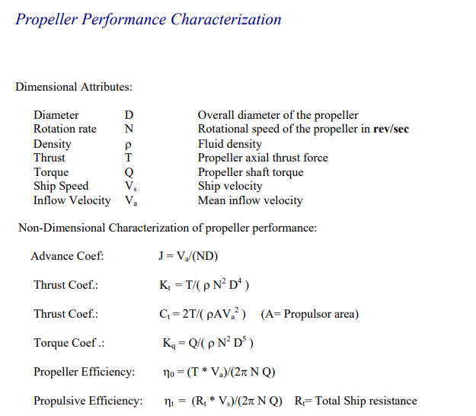
 |  |  |  |  |  |  |  |  |  |  |  |  |  |  |  |  |  |  |  |  |  |  |  |  |  |  |  |  |  |  | 0.0000 | 0.0000 | 0.0000 | 0.0000 | 0.0000 | 0.0000 | 0.0000 | 0.2644 | 0.0000 | 0.0000 | 0.0000 | 0.0000 | 0.0000 | 0.0000 | 0.0000 | 0.0000 | 0.0000 | 0.0000 | 0.0000 | 0.0000 | 0.0000 | 0.0000 | 0.0000 | 0.0000 | 0.0000 | 0.0000 | 0.0000 | 0.0000 | 0.0000 | 0.0000 | 0.0000 | 0.0000
 |  |  |  |  |  |  |  |  |  |  |  |  |  |  |  |  |  |  |  |  |  |  |  |  |  |  |  |  |  |  | 0.0000
 |  |  |  |  |  |  |  |  |  |  |  |  |  |  |  |  |  |  |  |  |  |  |  |  |  |  |  |  |  |  | 0.0000
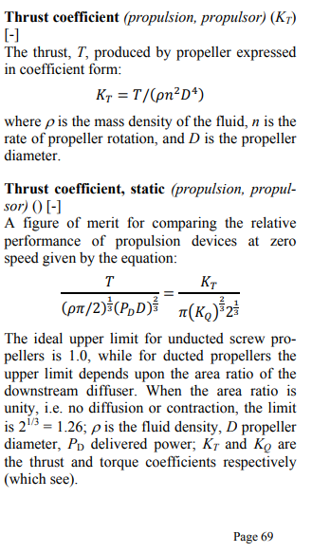
 |  |  |  |  |  |  |  |  |  |  |  |  |  |  |  |  |  |  |  |  |  |  |  |  |  |  |  |  |  |  | 0.0000
 |  |  |  |  |  |  |  |  |  |  |  |  |  |  |  |  |  |  |  |  |  |  |  |  |  |  |  |  |  |  | 0.0000
 |  |  |  |  |  |  |  |  |  |  |  |  |  |  |  |  |  |  |  |  |  |  |  |  |  |  |  |  |  |  | 0.0000
 |  |  |  |  |  |  |  |  |  |  |  |  |  |  |  |  |  |  |  |  |  |  |  |  |  |  |  |  |  |  | 0.0000
 |  |  |  |  |  |  |  |  |  |  |  |  |  |  |  |  |  |  |  |  |  |  |  |  |  |  |  |  |  |  | 0.0000
 |  |  |  |  |  |  |  |  |  |  |  |  |  |  |  |  |  |  |  |  |  |  |  |  |  |  |  |  |  |  | 0.0000
 |  |  |  |  |  |  |  |  |  |  |  |  |  |  |  |  |  |  |  |  |  |  |  |  |  |  |  |  |  |  | 0.0000
 |  |  |  |  |  |  |  |  |  |  |  |  |  |  |  |  |  |  |  |  |  |  |  |  |  |  |  |  |  |  | 0.0000
 |  |  |  |  |  |  |  |  |  |  |  |  |  |  |  |  |  |  |  |  |  |  |  |  |  |  |  |  |  |  | 0.0000
 |  |  |  |  |  |  |  |  |  |  |  |  |  |  |  |  |  |  |  |  |  |  |  |  |  |  |  |  |  |  | 0.0000
 |  |  |  |  |  |  |  |  |  |  |  |  |  |  |  |  |  |  |  |  |  |  |  |  |  |  |  |  |  |  | 0.0000
 |  |  |  |  |  |  |  |  |  |  |  |  |  |  |  |  |  |  |  |  |  |  |  |  |  |  |  |  |  |  | 0.0000
 |  |  |  |  |  |  |  |  |  |  |  |  |  |  |  |  |  |  |  |  |  |  |  |  |  |  |  |  |  |  | 0.0000
 |  |  |  |  |  |  |  |  |  |  |  |  |  |  |  |  |  |  |  |  |  |  |  |  |  |  |  |  |  |  | 0.0000
 |  |  |  |  |  |  |  |  |  |  |  |  |  |  |  |  |  |  |  |  |  |  |  |  |  |  |  |  |  |  | 0.0000
 |  |  |  |  |  |  |  |  |  |  |  |  |  |  |  |  |  |  |  |  |  |  |  |  |  |  |  |  |  |  | 0.0000
 |  |  |  |  |  |  |  |  |  |  |  |  |  |  |  |  |  |  |  |  |  |  |  |  |  |  |  |  |  |  | 0.0000
 |  |  |  |  |  |  |  |  |  |  |  |  |  |  |  |  |  |  |  |  |  |  |  |  |  |  |  |  |  |  | 0.0000
 |  |  |  |  |  |  |  |  |  |  |  |  |  |  |  |  |  |  |  |  |  |  |  |  |  |  |  |  |  |  | 0.0000
 |  |  |  |  |  |  |  |  |  |  |  |  |  |  |  |  |  |  |  |  |  |  |  |  |  |  |  |  |  |  | 0.0000
 |  |  |  |  |  |  |  |  |  |  |  |  |  |  |  |  |  |  |  |  |  |  |  |  |  |  |  |  |  |  | 0.0000
 |  |  |  |  |  |  |  |  |  |  |  |  |  |  |  |  |  |  |  |  |  |  |  |  |  |  |  |  |  |  | 0.0000
 |  |  |  |  |  |  |  |  |  |  |  |  |  |  |  |  |  |  |  |  |  |  |  |  |  |  |  |  |  |  | 0.0000
 |  |  |  |  |  |  |  |  |  |  |  |  |  |  |  |  |  |  |  |  |  |  |  |  |  |  |  |  |  |  | 0.0000

 |  |  |  |  |  |  |  |  |  |  |  |  |  |  |  |  |  |  |  |  |  |  |  |  |  |  |  |  |  |  | 0.0000
 |  |  |  |  |  |  |  |  |  |  |  |  |  |  |  |  |  |  |  |  |  |  |  |  |  |  |  |  |  |  | 0.0000

propulsion MAROF
...
 |  |  |  |  |  |  |  |  |  |  |  |  |  |  |  |  |  |  |  |  |  |  |  |  |  |  |  |  |  |  |  |  |  |  |  |  |  |  |  |  |  |  |  |  |  |  |  |  |  | 5 | 6 | 7 | 8 | 9 | 10 | 11 | 12 | 13 | 14 | 15 | 16 | 17 | 18 | 19 | 20 | 21 | 22 | 23 | 24 | 25 | 26 | 27 | 28 | 29 | 30 | 31 | 32
 |  |  |  |  |  |  |  |  |  |  |  |  |  |  |  |  |  |  |  |  |  |  |  |  |  |  |  |  |  |  |  |  |  |  |  |  |  |  |  |  |  |  |  |  |  |  |  |  |  | 0.0000 | 0.0000 | 0.0000 | 0.0000 | 0.0000 | 0.0000 | 0.0000 | 0.0000 | 0.0000 | 0.0000 | 0.0000 | 0.0000 | 0.0000 | 0.0000 | 0.0000 | 0.0000 | 0.0000 | 0.0000 | 0.0000 | 0.0000 | 0.0000 | 0.0000 | 0.0000 | 0.0000 | 0.0000 | 0.0000 | 0.0000 | 0.0000
 |  |  |  |  |  |  |  |  |  |  |  |  |  |  |  |  |  |  |  |  |  |  |  |  |  |  |  |  |  |  |  |  |  |  |  |  |  |  |  |  |  |  |  |  |  |  |  |  |  | 0.0825 | 0.0825 | 0.0825 | 0.0825 | 0.0825 | 0.0825 | 0.0825 | 0.0825 | 0.0825 | 0.0825 | 0.0825 | 0.0825 | 0.0825 | 0.0825 | 0.0825 | 0.0825 | 0.0825 | 0.0825 | 0.0825 | 0.0825 | 0.0825 | 0.0825 | 0.0825 | 0.0825 | 0.0825 | 0.0825 | 0.0825 | 0.0825
 |  |  |  |  |  |  |  |  |  |  |  |  |  |  |  |  |  |  |  |  |  |  |  |  |  |  |  |  |  |  |  |  |  |  |  |  |  |  |  |  |  |  |  |  |  |  |  |  |  | 0.7186 | 0.8931 | 1.0733 | 1.1643 | 1.2000 | 1.2772 | 1.3200 | 1.3500 | 1.3976 | 1.4300 | 1.4600 | 1.4900 | 1.5124
 |  |  |  |  |  |  |  |  |  |  |  |  |  |  |  |  |  |  |  |  |  |  |  |  |  |  |  |  |  |  |  |  |  |  |  |  |  |  |  |  |  |  |  |  |  |  |  |  |  | 0.1265 | 0.1043 | 0.0819 | 0.0657 | 0.0585 | 0.0401 | 0.0300 | 0.0230 | 0.0134 | 0.0070 | 0.0000 | -0.0050 | -0.0132
 |  |  |  |  |  |  |  |  |  |  |  |  |  |  |  |  |  |  |  |  |  |  |  |  |  |  |  |  |  |  |  |  |  |  |  |  |  |  |  |  |  |  |  |  |  |  |  |  |  | 0.2219 | 0.1926 | 0.1682 | 0.1433 | 0.1310 | 0.0973 | 0.0790 | 0.0650 | 0.0450 | 0.0300 | 0.0180 | 0.0050 | -0.0131
 |  |  |  |  |  |  |  |  |  |  |  |  |  |  |  |  |  |  |  |  |  |  |  |  |  |  |  |  |  |  |  |  |  |  |  |  |  |  |  |  |  |  |  |  |  |  |  |  |  | 0.65 | 0.77 | 0.83 | 0.85 | 0.85 | 0.84 | 0.80 | 0.76 | 0.66 | 0.53 | 0.00 | 0.00 | 0.00 | #DIV/0! | #DIV/0! | #DIV/0! | #DIV/0! | #DIV/0! | #DIV/0! | #DIV/0! | #DIV/0! | #DIV/0! | #DIV/0! | #DIV/0! | #DIV/0! | #DIV/0! | #DIV/0! | #DIV/0!
...
 | Kt |  | Kq |  | KT/J^2 |  | eta |  | operational point |  | top_peed
0.0000 | 0.1675 | 0.0000 | 0.3274 | 0.0000 | 0.0000 | 0.0000 | 0.00 | 1.0396 | 0.0000 | 1.0771 | 0.0000
0.1935 | 0.1725 | 0.1935 | 0.3342 | 0.1935 | 0.0030 | 0.1935 | 0.16 | 1.0396 | 0.8207 | 1.0771 | 0.8327
0.3645 | 0.1608 | 0.3645 | 0.3030 | 0.3645 | 0.0105 | 0.3645 | 0.31
0.5412 | 0.1472 | 0.5412 | 0.2655 | 0.5412 | 0.0232 | 0.5412 | 0.48
0.7186 | 0.1265 | 0.7186 | 0.2219 | 0.7186 | 0.0410 | 0.7186 | 0.65
0.8931 | 0.1043 | 0.8931 | 0.1926 | 0.8931 | 0.0633 | 0.8931 | 0.77
1.0733 | 0.0819 | 1.0733 | 0.1682 | 1.0733 | 0.0914 | 1.0733 | 0.83
1.1643 | 0.0657 | 1.1643 | 0.1433 | 1.1643 | 0.1075 | 1.1643 | 0.85
1.2000 | 0.0585 | 1.2000 | 0.1310 | 1.2000 | 0.1142 | 1.2000 | 0.85
1.2772 | 0.0401 | 1.2772 | 0.0973 | 1.2772 | 0.1294 | 1.2772 | 0.84
1.3200 | 0.0300 | 1.3200 | 0.0790 | 1.3200 | 0.1382 | 1.3200 | 0.80
1.3500 | 0.0230 | 1.3500 | 0.0650 | 1.3500 | 0.1445 | 1.3500 | 0.76
1.3976 | 0.0134 | 1.3976 | 0.0450 | 1.3976 | 0.1549 | 1.3976 | 0.66
1.4300 | 0.0070 | 1.4300 | 0.0300 | 1.4300 | 0.1622 | 1.4300 | 0.53
1.4600 | 0.0000 | 1.4600 | 0.0180 | 1.4600 | 0.1690 | 1.4600 | 0.00
1.4900 | -0.0050 | 1.4900 | 0.0050 | 1.4900 | 0.1761 | 1.4900 | 0.00
1.5124 | -0.0132 | 1.5124 | -0.0131 | 1.5124 | 0.1814 | 1.5124 | 0.00
 |  |  |  |  | 0.0000 |  | 0.00
 |  |  |  |  | 0.0000 |  | 0.00
 |  |  |  |  | 0.0000 |  | 0.00
 |  |  |  |  | 0.0000 |  | 0.00
 |  |  |  |  | 0.0000 |  | 0.00
 |  |  |  |  | 0.0000 |  | 0.00
 |  |  |  |  | 0.0000 |  | 0.00
 |  |  |  |  | 0.0000 |  | 0.00
 |  |  |  |  | 0.0000 |  | 0.00
 |  |  |  |  | 0.0000 |  | 0.00
 |  |  |  |  | 0.0000 |  | 0.00
 |  |  |  |  | 0.0000 |  | 0.00
 |  |  |  |  | 0.0000 |  | 0.00
 |  |  |  |  | 0.0000 |  | 0.00
 |  |  |  |  | 0.0000 |  | 0.00
 |  |  |  |  | 0.0000 |  | 0.00
 |  |  |  |  | 0.0000 |  | 0.00
 |  |  |  |  | 0.0000 |  | 0.00
 |  |  |  |  | 0.0000 |  | 0.00
 |  |  |  |  | 0.0000 |  | 0.00
 |  |  |  |  |  |  |  |  |  |  |  |  |  |  |  |  |  |  |  |  |  |  |  |  |  |  |  |  |  |  |  |  |  |  |  |  |  |  |  |  |  |  |  |  |  |  |  |  |  | 0.0000 | 0.0000 | 0.0000 | 0.0000 | 0.0000 | 0.0000 | 0.0000 | 0.0000 | 0.0000 | 0.0000 | 0.0000 | 0.0000 | 0.0000 | 0.0000 | 0.0000 | 0.0000 | 0.0000 | 0.0000 | 0.0000 | 0.0000 | 0.0000 | 0.0000 | 0.0000 | 0.0000 | 0.0000 | 0.0000 | 0.0000 | 0.0000
 |  |  |  |  |  |  |  |  |  |  |  |  |  |  |  |  |  |  |  |  |  |  |  |  |  |  |  |  |  |  |  |  |  |  |  |  |  |  |  |  |  |  |  |  |  |  |  |  |  | 0.0000 | 0.0000 | 0.0000 | 0.0000 | 0.0000 | 0.0000 | 0.0000 | 0.0000 | 0.0000 | 0.0000 | 0.0000 | 0.0000 | 0.0000 | 0.0000 | 0.0000 | 0.0000 | 0.0000 | 0.0000 | 0.0000 | 0.0000 | 0.0000 | 0.0000 | 0.0000 | 0.0000 | 0.0000 | 0.0000 | 0.0000 | 0.0000
 |  |  |  |  |  |  |  |  |  |  |  |  |  |  |  |  |  |  |  |  |  |  |  |  |  |  |  |  |  |  |  |  |  |  |  |  |  |  |  |  |  |  |  |  |  |  |  |  |  | 0.0000 | 0.0000 | 0.0000 | 0.0000 | 0.0000 | 0.0000 | 0.0000 | 0.0000 | 0.0000 | 0.0000 | 0.0000 | 0.0000 | 0.0000 | 0.0000 | 0.0000 | 0.0000 | 0.0000 | 0.0000 | 0.0000 | 0.0000 | 0.0000 | 0.0000 | 0.0000 | 0.0000 | 0.0000 | 0.0000 | 0.0000 | 0.0000
 |  |  |  |  |  |  |  |  |  |  |  |  |  |  |  |  |  |  |  |  |  |  |  |  |  |  |  |  |  |  |  |  |  |  |  |  |  |  |  |  |  |  |  |  |  |  |  |  |  | 0.0000 | 0.0000 | 0.0000 | 0.0000 | 0.0000 | 0.0000 | 0.0000 | 0.0000 | 0.0000 | 0.0000 | 0.0000 | 0.0000 | 0.0000 | 0.0000 | 0.0000 | 0.0000 | 0.0000 | 0.0000 | 0.0000 | 0.0000 | 0.0000 | 0.0000 | 0.0000 | 0.0000 | 0.0000 | 0.0000 | 0.0000 | 0.0000
 |  |  |  |  |  |  |  |  |  |  |  |  |  |  |  |  |  |  |  |  |  |  |  |  |  |  |  |  |  |  |  |  |  |  |  |  |  |  |  |  |  |  |  |  |  |  |  |  |  | 0.0000 | 0.0000 | 0.0000 | 0.0000 | 0.0000 | 0.0000 | 0.0000 | 0.0000 | 0.0000 | 0.0000 | 0.0000 | 0.0000 | 0.0000 | 0.0000 | 0.0000 | 0.0000 | 0.0000 | 0.0000 | 0.0000 | 0.0000 | 0.0000 | 0.0000 | 0.0000 | 0.0000 | 0.0000 | 0.0000 | 0.0000 | 0.0000
 |  |  |  |  |  |  |  |  |  |  |  |  |  |  |  |  |  |  |  |  |  |  |  |  |  |  |  |  |  |  |  |  |  |  |  |  |  |  |  |  |  |  |  |  |  |  |  |  |  | 0.7713 | 0.0000 | 0.0000 | 0.0000 | 0.0000 | 0.0000 | 0.0000 | 0.0000 | 0.0000 | 0.0000 | 0.0000 | 0.0000 | 0.0000 | 0.0000 | 0.0000 | 0.0000 | 0.0000 | 0.0000 | 0.0000 | 0.0000 | 0.0000 | 0.0000 | 0.0000 | 0.0000 | 0.0000 | 0.0000 | 0.0000 | 0.0000
 |  |  |  |  |  |  |  |  |  |  |  |  |  |  |  |  |  |  |  |  |  |  |  |  |  |  |  |  |  |  |  |  |  |  |  |  |  |  |  |  |  |  |  |  |  |  |  |  |  | 0.8219 | 0.0000 | 0.0000 | 0.0000 | 0.0000 | 0.0000 | 0.0000 | 0.0000 | 0.0000 | 0.0000 | 0.0000 | 0.0000 | 0.0000 | 0.0000 | 0.0000 | 0.0000 | 0.0000 | 0.0000 | 0.0000 | 0.0000 | 0.0000 | 0.0000 | 0.0000 | 0.0000 | 0.0000 | 0.0000 | 0.0000 | 0.0000
 |  |  |  |  |  |  |  |  |  |  |  |  |  |  |  |  |  |  |  |  |  |  |  |  |  |  |  |  |  |  |  |  |  |  |  |  |  |  |  |  |  |  |  |  |  |  |  |  |  | 0.8673 | 0.0000 | 0.0000 | 0.0000 | 0.0000 | 0.0000 | 0.0000 | 0.0000 | 0.0000 | 0.0000 | 0.0000 | 0.0000 | 0.0000 | 0.0000 | 0.0000 | 0.0000 | 0.0000 | 0.0000 | 0.0000 | 0.0000 | 0.0000 | 0.0000 | 0.0000 | 0.0000 | 0.0000 | 0.0000 | 0.0000 | 0.0000
 |  |  |  |  |  |  |  |  |  |  |  |  |  |  |  |  |  |  |  |  |  |  |  |  |  |  |  |  |  |  |  |  |  |  |  |  |  |  |  |  |  |  |  |  |  |  |  |  |  | 0.0000 | 0.9066 | 0.0000 | 0.0000 | 0.0000 | 0.0000 | 0.0000 | 0.0000 | 0.0000 | 0.0000 | 0.0000 | 0.0000 | 0.0000 | 0.0000 | 0.0000 | 0.0000 | 0.0000 | 0.0000 | 0.0000 | 0.0000 | 0.0000 | 0.0000 | 0.0000 | 0.0000 | 0.0000 | 0.0000 | 0.0000 | 0.0000
 |  |  |  |  |  |  |  |  |  |  |  |  |  |  |  |  |  |  |  |  |  |  |  |  |  |  |  |  |  |  |  |  |  |  |  |  |  |  |  |  |  |  |  |  |  |  |  |  |  | 0.0000 | 0.9400 | 0.0000 | 0.0000 | 0.0000 | 0.0000 | 0.0000 | 0.0000 | 0.0000 | 0.0000 | 0.0000 | 0.0000 | 0.0000 | 0.0000 | 0.0000 | 0.0000 | 0.0000 | 0.0000 | 0.0000 | 0.0000 | 0.0000 | 0.0000 | 0.0000 | 0.0000 | 0.0000 | 0.0000 | 0.0000 | 0.0000
 |  |  |  |  |  |  |  |  |  |  |  |  |  |  |  |  |  |  |  |  |  |  |  |  |  |  |  |  |  |  |  |  |  |  |  |  |  |  |  |  |  |  |  |  |  |  |  |  |  | 0.0000 | 0.9707 | 0.0000 | 0.0000 | 0.0000 | 0.0000 | 0.0000 | 0.0000 | 0.0000 | 0.0000 | 0.0000 | 0.0000 | 0.0000 | 0.0000 | 0.0000 | 0.0000 | 0.0000 | 0.0000 | 0.0000 | 0.0000 | 0.0000 | 0.0000 | 0.0000 | 0.0000 | 0.0000 | 0.0000 | 0.0000 | 0.0000
 |  |  |  |  |  |  |  |  |  |  |  |  |  |  |  |  |  |  |  |  |  |  |  |  |  |  |  |  |  |  |  |  |  |  |  |  |  |  |  |  |  |  |  |  |  |  |  |  |  | 0.0000 | 0.9992 | 0.0000 | 0.0000 | 0.0000 | 0.0000 | 0.0000 | 0.0000 | 0.0000 | 0.0000 | 0.0000 | 0.0000 | 0.0000 | 0.0000 | 0.0000 | 0.0000 | 0.0000 | 0.0000 | 0.0000 | 0.0000 | 0.0000 | 0.0000 | 0.0000 | 0.0000 | 0.0000 | 0.0000 | 0.0000 | 0.0000
 |  |  |  |  |  |  |  |  |  |  |  |  |  |  |  |  |  |  |  |  |  |  |  |  |  |  |  |  |  |  |  |  |  |  |  |  |  |  |  |  |  |  |  |  |  |  |  |  |  | 0.0000 | 1.0250 | 0.0000 | 0.0000 | 0.0000 | 0.0000 | 0.0000 | 0.0000 | 0.0000 | 0.0000 | 0.0000 | 0.0000 | 0.0000 | 0.0000 | 0.0000 | 0.0000 | 0.0000 | 0.0000 | 0.0000 | 0.0000 | 0.0000 | 0.0000 | 0.0000 | 0.0000 | 0.0000 | 0.0000 | 0.0000 | 0.0000
 |  |  |  |  |  |  |  |  |  |  |  |  |  |  |  |  |  |  |  |  |  |  |  |  |  |  |  |  |  |  |  |  |  |  |  |  |  |  |  |  |  |  |  |  |  |  |  |  |  | 0.0000 | 1.0218 | 0.0000 | 0.0000 | 0.0000 | 0.0000 | 0.0000 | 0.0000 | 0.0000 | 0.0000 | 0.0000 | 0.0000 | 0.0000 | 0.0000 | 0.0000 | 0.0000 | 0.0000 | 0.0000 | 0.0000 | 0.0000 | 0.0000 | 0.0000 | 0.0000 | 0.0000 | 0.0000 | 0.0000 | 0.0000 | 0.0000
 |  |  |  |  |  |  |  |  |  |  |  |  |  |  |  |  |  |  |  |  |  |  |  |  |  |  |  |  |  |  |  |  |  |  |  |  |  |  |  |  |  |  |  |  |  |  |  |  |  | 0.0000 | 1.0226 | 0.0000 | 0.0000 | 0.0000 | 0.0000 | 0.0000 | 0.0000 | 0.0000 | 0.0000 | 0.0000 | 0.0000 | 0.0000 | 0.0000 | 0.0000 | 0.0000 | 0.0000 | 0.0000 | 0.0000 | 0.0000 | 0.0000 | 0.0000 | 0.0000 | 0.0000 | 0.0000 | 0.0000 | 0.0000 | 0.0000
 |  |  |  |  |  |  |  |  |  |  |  |  |  |  |  |  |  |  |  |  |  |  |  |  |  |  |  |  |  |  |  |  |  |  |  |  |  |  |  |  |  |  |  |  |  |  |  |  |  | 0.0000 | 1.0307 | 0.0000 | 0.0000 | 0.0000 | 0.0000 | 0.0000 | 0.0000 | 0.0000 | 0.0000 | 0.0000 | 0.0000 | 0.0000 | 0.0000 | 0.0000 | 0.0000 | 0.0000 | 0.0000 | 0.0000 | 0.0000 | 0.0000 | 0.0000 | 0.0000 | 0.0000 | 0.0000 | 0.0000 | 0.0000 | 0.0000
 |  |  |  |  |  |  |  |  |  |  |  |  |  |  |  |  |  |  |  |  |  |  |  |  |  |  |  |  |  |  |  |  |  |  |  |  |  |  |  |  |  |  |  |  |  |  |  |  |  | 0.0000 | 1.0396 | 0.0000 | 0.0000 | 0.0000 | 0.0000 | 0.0000 | 0.0000 | 0.0000 | 0.0000 | 0.0000 | 0.0000 | 0.0000 | 0.0000 | 0.0000 | 0.0000 | 0.0000 | 0.0000 | 0.0000 | 0.0000 | 0.0000 | 0.0000 | 0.0000 | 0.0000 | 0.0000 | 0.0000 | 0.0000 | 0.0000
 |  |  |  |  |  |  |  |  |  |  |  |  |  |  |  |  |  |  |  |  |  |  |  |  |  |  |  |  |  |  |  |  |  |  |  |  |  |  |  |  |  |  |  |  |  |  |  |  |  | 0.0000 | 1.0480 | 0.0000 | 0.0000 | 0.0000 | 0.0000 | 0.0000 | 0.0000 | 0.0000 | 0.0000 | 0.0000 | 0.0000 | 0.0000 | 0.0000 | 0.0000 | 0.0000 | 0.0000 | 0.0000 | 0.0000 | 0.0000 | 0.0000 | 0.0000 | 0.0000 | 0.0000 | 0.0000 | 0.0000 | 0.0000 | 0.0000
 |  |  |  |  |  |  |  |  |  |  |  |  |  |  |  |  |  |  |  |  |  |  |  |  |  |  |  |  |  |  |  |  |  |  |  |  |  |  |  |  |  |  |  |  |  |  |  |  |  | 0.0000 | 1.0567 | 0.0000 | 0.0000 | 0.0000 | 0.0000 | 0.0000 | 0.0000 | 0.0000 | 0.0000 | 0.0000 | 0.0000 | 0.0000 | 0.0000 | 0.0000 | 0.0000 | 0.0000 | 0.0000 | 0.0000 | 0.0000 | 0.0000 | 0.0000 | 0.0000 | 0.0000 | 0.0000 | 0.0000 | 0.0000 | 0.0000
 |  |  |  |  |  |  |  |  |  |  |  |  |  |  |  |  |  |  |  |  |  |  |  |  |  |  |  |  |  |  |  |  |  |  |  |  |  |  |  |  |  |  |  |  |  |  |  |  |  | 0.0000 | 1.0633 | 0.0000 | 0.0000 | 0.0000 | 0.0000 | 0.0000 | 0.0000 | 0.0000 | 0.0000 | 0.0000 | 0.0000 | 0.0000 | 0.0000 | 0.0000 | 0.0000 | 0.0000 | 0.0000 | 0.0000 | 0.0000 | 0.0000 | 0.0000 | 0.0000 | 0.0000 | 0.0000 | 0.0000 | 0.0000 | 0.0000
 |  |  |  |  |  |  |  |  |  |  |  |  |  |  |  |  |  |  |  |  |  |  |  |  |  |  |  |  |  |  |  |  |  |  |  |  |  |  |  |  |  |  |  |  |  |  |  |  |  | 0.0000 | 1.0702 | 0.0000 | 0.0000 | 0.0000 | 0.0000 | 0.0000 | 0.0000 | 0.0000 | 0.0000 | 0.0000 | 0.0000 | 0.0000 | 0.0000 | 0.0000 | 0.0000 | 0.0000 | 0.0000 | 0.0000 | 0.0000 | 0.0000 | 0.0000 | 0.0000 | 0.0000 | 0.0000 | 0.0000 | 0.0000 | 0.0000
 |  |  |  |  |  |  |  |  |  |  |  |  |  |  |  |  |  |  |  |  |  |  |  |  |  |  |  |  |  |  |  |  |  |  |  |  |  |  |  |  |  |  |  |  |  |  |  |  |  | 0.0000 | 0.0000 | 1.0747 | 0.0000 | 0.0000 | 0.0000 | 0.0000 | 0.0000 | 0.0000 | 0.0000 | 0.0000 | 0.0000 | 0.0000 | 0.0000 | 0.0000 | 0.0000 | 0.0000 | 0.0000 | 0.0000 | 0.0000 | 0.0000 | 0.0000 | 0.0000 | 0.0000 | 0.0000 | 0.0000 | 0.0000 | 0.0000
 |  |  |  |  |  |  |  |  |  |  |  |  |  |  |  |  |  |  |  |  |  |  |  |  |  |  |  |  |  |  |  |  |  |  |  |  |  |  |  |  |  |  |  |  |  |  |  |  |  | 0.0000 | 0.0000 | 1.0789 | 0.0000 | 0.0000 | 0.0000 | 0.0000 | 0.0000 | 0.0000 | 0.0000 | 0.0000 | 0.0000 | 0.0000 | 0.0000 | 0.0000 | 0.0000 | 0.0000 | 0.0000 | 0.0000 | 0.0000 | 0.0000 | 0.0000 | 0.0000 | 0.0000 | 0.0000 | 0.0000 | 0.0000 | 0.0000
 |  |  |  |  |  |  |  |  |  |  |  |  |  |  |  |  |  |  |  |  |  |  |  |  |  |  |  |  |  |  |  |  |  |  |  |  |  |  |  |  |  |  |  |  |  |  |  |  |  | 0.0000 | 0.0000 | 1.0820 | 0.0000 | 0.0000 | 0.0000 | 0.0000 | 0.0000 | 0.0000 | 0.0000 | 0.0000 | 0.0000 | 0.0000 | 0.0000 | 0.0000 | 0.0000 | 0.0000 | 0.0000 | 0.0000 | 0.0000 | 0.0000 | 0.0000 | 0.0000 | 0.0000 | 0.0000 | 0.0000 | 0.0000 | 0.0000
 |  |  |  |  |  |  |  |  |  |  |  |  |  |  |  |  |  |  |  |  |  |  |  |  |  |  |  |  |  |  |  |  |  |  |  |  |  |  |  |  |  |  |  |  |  |  |  |  |  | 0.0000 | 0.0000 | 1.0854 | 0.0000 | 0.0000 | 0.0000 | 0.0000 | 0.0000 | 0.0000 | 0.0000 | 0.0000 | 0.0000 | 0.0000 | 0.0000 | 0.0000 | 0.0000 | 0.0000 | 0.0000 | 0.0000 | 0.0000 | 0.0000 | 0.0000 | 0.0000 | 0.0000 | 0.0000 | 0.0000 | 0.0000 | 0.0000
 |  |  |  |  |  |  |  |  |  |  |  |  |  |  |  |  |  |  |  |  |  |  |  |  |  |  |  |  |  |  |  |  |  |  |  |  |  |  |  |  |  |  |  |  |  |  |  |  |  | 0.0000 | 0.0000 | 1.0953 | 0.0000 | 0.0000 | 0.0000 | 0.0000 | 0.0000 | 0.0000 | 0.0000 | 0.0000 | 0.0000 | 0.0000 | 0.0000 | 0.0000 | 0.0000 | 0.0000 | 0.0000 | 0.0000 | 0.0000 | 0.0000 | 0.0000 | 0.0000 | 0.0000 | 0.0000 | 0.0000 | 0.0000 | 0.0000
 |  |  |  |  |  |  |  |  |  |  |  |  |  |  |  |  |  |  |  |  |  |  |  |  |  |  |  |  |  |  |  |  |  |  |  |  |  |  |  |  |  |  |  |  |  |  |  |  |  | 0.0000 | 0.0000 | 1.1047 | 0.0000 | 0.0000 | 0.0000 | 0.0000 | 0.0000 | 0.0000 | 0.0000 | 0.0000 | 0.0000 | 0.0000 | 0.0000 | 0.0000 | 0.0000 | 0.0000 | 0.0000 | 0.0000 | 0.0000 | 0.0000 | 0.0000 | 0.0000 | 0.0000 | 0.0000 | 0.0000 | 0.0000 | 0.0000
0.1571 | 0.0157 | 84.13% | 7.5000 | 437.93 | 33.22 | 3284.46 | 79.92% | 84.13% | 3904.08 | 1122.3 | 33.218 | 97.00% | 3367.0 | 11.415 | 4149.3 | 88.00% | 4715.1 | 62.8 | 75.1 | 99% | 4762.7 | 4912.6 | 90.65% | 1443.05 | 2.2 | 10917.0 | 649.4 | FALSE | 4263.3 | 99% | 4306.3 | 1774.5 | FALSE | 4306.3 | 2423.9 | -1882.5 | -1882.5 | 9569.6 | 5386.4 | 1.25 | 2.22 | -1.0 | 0.00 | 0.00 |  | 0.0000 | 0.0000 | 0.0000 | 0.0000 | 0.0000 | 0.0000 | 1.1138 | 0.0000 | 0.0000 | 0.0000 | 0.0000 | 0.0000 | 0.0000 | 0.0000 | 0.0000 | 0.0000 | 0.0000 | 0.0000 | 0.0000 | 0.0000 | 0.0000 | 0.0000 | 0.0000 | 0.0000 | 0.0000 | 0.0000 | 0.0000 | 0.0000 | 0.0000 | 0.0000 | 0.0000 | 0.0000
0.1548 | 0.0155 | 84.31% | 7.7778 | 454.15 | 34.64 | 3532.26 | 80.09% | 84.31% | 4189.81 | 1154.9 | 34.643 | 97.00% | 3464.7 | 11.905 | 4453.0 | 88.00% | 5060.2 | 65.5 | 77.3 | 99% | 5111.3 | 5261.2 | 89.96% | 1432.10 | 2.1 | 11274.0 | 668.3 | FALSE | 4592.9 | 99% | 4639.3 | 1774.5 | FALSE | 4639.3 | 2442.8 | -2196.5 | -2196.5 | 9941.3 | 5234.6 | 1.13 | 2.14 | -1.0 | 0.00 | 0.00 |  | 0.0000 | 0.0000 | 0.0000 | 0.0000 | 0.0000 | 0.0000 | 1.1224 | 0.0000 | 0.0000 | 0.0000 | 0.0000 | 0.0000 | 0.0000 | 0.0000 | 0.0000 | 0.0000 | 0.0000 | 0.0000 | 0.0000 | 0.0000 | 0.0000 | 0.0000 | 0.0000 | 0.0000 | 0.0000 | 0.0000 | 0.0000 | 0.0000 | 0.0000 | 0.0000 | 0.0000 | 0.0000
0.1525 | 0.0152 | 84.46% | 8.0556 | 470.37 | 36.08 | 3789.06 | 80.24% | 84.46% | 4486.00 | 1187.3 | 36.079 | 97.00% | 3562.0 | 12.398 | 4767.8 | 88.00% | 5417.9 | 68.2 | 79.5 | 99% | 5472.7 | 5622.5 | 89.25% | 1420.75 | 2.1 | 11632.9 | 686.7 | FALSE | 4935.8 | 99% | 4985.7 | 1774.5 | FALSE | 4985.7 | 2461.2 | -2524.5 | -2524.5 | 10315.3 | 5092.1 | 1.02 | 2.07 | -1.0 | 0.00 | 0.00 |  | 0.0000 | 0.0000 | 0.0000 | 0.0000 | 0.0000 | 0.0000 | 1.1307 | 0.0000 | 0.0000 | 0.0000 | 0.0000 | 0.0000 | 0.0000 | 0.0000 | 0.0000 | 0.0000 | 0.0000 | 0.0000 | 0.0000 | 0.0000 | 0.0000 | 0.0000 | 0.0000 | 0.0000 | 0.0000 | 0.0000 | 0.0000 | 0.0000 | 0.0000 | 0.0000 | 0.0000 | 0.0000
0.1503 | 0.0150 | 84.60% | 8.3333 | 486.59 | 37.52 | 4054.88 | 80.37% | 84.60% | 4792.78 | 1219.7 | 37.524 | 97.00% | 3659.0 | 12.895 | 5093.8 | 88.00% | 5788.4 | 70.9 | 81.6 | 99% | 5846.9 | 5996.8 | 88.51% | 1409.00 | 2.0 | 11993.6 | 704.5 | FALSE | 5292.3 | 99% | 5345.8 | 1774.5 | FALSE | 5345.8 | 2479.0 | -2866.8 | -2866.8 | 10691.5 | 4958.0 | 0.93 | 2.00 | -1.1 | 0.00 | 0.00 |  | 0.0000 | 0.0000 | 0.0000 | 0.0000 | 0.0000 | 0.0000 | 1.1387 | 0.0000 | 0.0000 | 0.0000 | 0.0000 | 0.0000 | 0.0000 | 0.0000 | 0.0000 | 0.0000 | 0.0000 | 0.0000 | 0.0000 | 0.0000 | 0.0000 | 0.0000 | 0.0000 | 0.0000 | 0.0000 | 0.0000 | 0.0000 | 0.0000 | 0.0000 | 0.0000 | 0.0000 | 0.0000

0.1728 | 0.0173 | 82.07% | 4.4420 | 202.64 | 14.71 | 900.14 | 77.97% | 82.07% | 1096.76 | 712.2 | 14.706 | 97.00% | 2136.5 | 5.054 | 1165.7 | 88.00% | 1324.6 | 27.8 | 47.7 | 99% | 1338.0 | 1487.9 | 97.40% | 1550.60 | 3.7 | 5520.3 | 417.9 | FALSE | 1069.9 | 99% | 1080.8 | 1774.5 | TRUE | 1080.8 | 2192.4 | 1111.7 | TRUE | 4009.8 | 8134.4 | 7.53 | 3.71 | 3.8 |  |  |  | 0.0000 | 0.0000 | 0.0000 | 0.0000 | 0.0000 | 1.0396 | 0.0000 | 0.0000 | 0.0000 | 0.0000 | 0.0000 | 0.0000 | 0.0000 | 0.0000 | 0.0000 | 0.0000 | 0.0000 | 0.0000 | 0.0000 | 0.0000 | 0.0000 | 0.0000 | 0.0000 | 0.0000 | 0.0000 | 0.0000 | 0.0000 | 0.0000 | 0.0000 | 0.0000 | 0.0000 | 0.0000
0.1672 | 0.0167 | 83.27% | 5.9944 | 325.66 | 24.13 | 1952.12 | 79.11% | 83.27% | 2344.24 | 927.5 | 24.135 | 97.00% | 2782.6 | 8.294 | 2491.5 | 88.00% | 2831.2 | 45.6 | 62.1 | 99% | 2859.8 | 3009.7 | 94.40% | 1502.81 | 2.8 | 8359.7 | 541.1 | FALSE | 2468.7 | 99% | 2493.6 | 1774.5 | FALSE | 2493.6 | 2315.6 | -178.1 | -178.1 | 6926.1 | 6431.6 | 2.58 | 2.78 | -0.2 |  |  |  | 0.0000 | 0.0000 | 0.0000 | 0.0000 | 0.0000 | 0.0000 | 1.0771 | 0.0000 | 0.0000 | 0.0000 | 0.0000 | 0.0000 | 0.0000 | 0.0000 | 0.0000 | 0.0000 | 0.0000 | 0.0000 | 0.0000 | 0.0000 | 0.0000 | 0.0000 | 0.0000 | 0.0000 | 0.0000 | 0.0000 | 0.0000 | 0.0000 | 0.0000 | 0.0000 | 0.0000 | 0.0000

 |  |  |  |  |  |  |  |  |  |  |  |  |  |  |  |  |  |  |  |  |  |  |  |  |  |  |  |  |  |  |  |  |  |  |  |  |  |  |  |  |  |  |  |  | Kt/J^2 | 0.0000 | 0.0030 | 0.0105 | 0.0232 | 0.0410 | 0.0633 | 0.0914 | 0.1075 | 0.1142 | 0.1294 | 0.1382 | 0.1445 | 0.1549 | 0.1622 | 0.1690 | 0.1761 | 0.1814 | 0.0000 | 0.0000 | 0.0000 | 0.0000 | 0.0000 | 0.0000 | 0.0000 | 0.0000 | 0.0000 | 0.0000 | 0.0000 | 0.0000 | 0.0000 | 0.0000 | 0.0000

 | Propeller efficiency
0.00 | 0.00%
117.63 | 32.56%
170.53 | 47.87%
218.87 | 55.67%
259.45 | 64.59%
300.11 | 68.29%
337.98 | 71.71%
373.66 | 75.02%
408.52 | 77.41%
443.28 | 78.54%
476.93 | 79.63%
509.68 | 80.66%
542.02 | 81.57%
589.03 | 81.46%
633.85 | 81.49%
673.73 | 81.77%
712.50 | 82.07%
751.02 | 82.36%
788.65 | 82.64%
827.30 | 82.86%
865.19 | 83.08%
904.64 | 83.21%
943.99 | 83.32%
984.12 | 83.39%
1023.67 | 83.48%
1056.72 | 83.72%
1089.60 | 83.93%
1122.32 | 84.13%
1154.90 | 84.31%
1187.35 | 84.46%
1219.68 | 84.60%
RPM Torque relation
0.0 | 0.000
352.9 | 0.237
511.6 | 0.445
656.6 | 0.670
778.4 | 0.866
900.3 | 1.107
1013.9 | 1.348
1121.0 | 1.586
1225.6 | 1.836
1329.8 | 2.111
1430.8 | 2.389
1529.0 | 2.670
1626.0 | 2.961
1767.1 | 3.505
1901.5 | 4.057
2021.2 | 4.554
2137.5 | 5.058
2253.1 | 5.583
2365.9 | 6.114
2481.9 | 6.693
2595.6 | 7.280
2713.9 | 7.921
2832.0 | 8.565
2952.4 | 9.262
3071.0 | 9.965
3170.2 | 10.445
3268.8 | 10.929
3367.0 | 11.415
3464.7 | 11.905
3562.0 | 12.398
3659.0 | 12.895
 |  |  |  |  |  |  |  |  |  |  |  |  |  |  |  |  |  |  |  |  |  |  |  |  |  |  |  |  |  |  |  |  |  |  |  |  |  |  |  |  |  |  |  |  |  | find Kq value
 |  |  |  |  |  |  |  |  |  |  |  |  |  |  |  |  |  |  |  |  |  |  |  |  |  |  |  |  |  |  |  |  |  |  |  |  |  |  |  |  |  |  |  |  |  | 0.0000 | 0.0000 | 0.0000 | 0.0000 | 0.0000 | 0.0000 | 0.0000 | 0.0000 | 0.0000 | 0.0000 | 0.0000 | 0.0000 | 0.0000 | 0.0000 | 0.0000 | 0.0000 | 0.0000 | 0.0000 | 0.0000 | 0.0000 | 0.0000 | 0.0000 | 0.0000 | 0.0000 | 0.0000 | 0.0000 | 0.0000 | 0.0000 | 0.0000 | 0.0000 | 0.0000 | 0.0000
 |  |  |  |  |  |  |  |  |  |  |  |  |  |  |  |  |  |  |  |  |  |  |  |  |  |  |  |  |  |  |  |  |  |  |  |  |  |  |  |  |  |  |  |  |  | 0.0000 | 0.0000 | 0.2968 | 0.0000 | 0.0000 | 0.0000 | 0.0000 | 0.0000 | 0.0000 | 0.0000 | 0.0000 | 0.0000 | 0.0000 | 0.0000 | 0.0000 | 0.0000 | 0.0000 | 0.0000 | 0.0000 | 0.0000 | 0.0000 | 0.0000 | 0.0000 | 0.0000 | 0.0000 | 0.0000 | 0.0000 | 0.0000 | 0.0000 | 0.0000 | 0.0000 | 0.0000
 |  |  |  |  |  |  |  |  |  |  |  |  |  |  |  |  |  |  |  |  |  |  |  |  |  |  |  |  |  |  |  |  |  |  |  |  |  |  |  |  |  |  |  |  |  | 0.0000 | 0.0000 | 0.0000 | 0.2651 | 0.0000 | 0.0000 | 0.0000 | 0.0000 | 0.0000 | 0.0000 | 0.0000 | 0.0000 | 0.0000 | 0.0000 | 0.0000 | 0.0000 | 0.0000 | 0.0000 | 0.0000 | 0.0000 | 0.0000 | 0.0000 | 0.0000 | 0.0000 | 0.0000 | 0.0000 | 0.0000 | 0.0000 | 0.0000 | 0.0000 | 0.0000 | 0.0000
 |  |  |  |  |  |  |  |  |  |  |  |  |  |  |  |  |  |  |  |  |  |  |  |  |  |  |  |  |  |  |  |  |  |  |  |  |  |  |  |  |  |  |  |  |  | 0.0000 | 0.0000 | 0.0000 | 0.2426 | 0.0000 | 0.0000 | 0.0000 | 0.0000 | 0.0000 | 0.0000 | 0.0000 | 0.0000 | 0.0000 | 0.0000 | 0.0000 | 0.0000 | 0.0000 | 0.0000 | 0.0000 | 0.0000 | 0.0000 | 0.0000 | 0.0000 | 0.0000 | 0.0000 | 0.0000 | 0.0000 | 0.0000 | 0.0000 | 0.0000 | 0.0000 | 0.0000
 |  |  |  |  |  |  |  |  |  |  |  |  |  |  |  |  |  |  |  |  |  |  |  |  |  |  |  |  |  |  |  |  |  |  |  |  |  |  |  |  |  |  |  |  |  | 0.0000 | 0.0000 | 0.0000 | 0.2231 | 0.0000 | 0.0000 | 0.0000 | 0.0000 | 0.0000 | 0.0000 | 0.0000 | 0.0000 | 0.0000 | 0.0000 | 0.0000 | 0.0000 | 0.0000 | 0.0000 | 0.0000 | 0.0000 | 0.0000 | 0.0000 | 0.0000 | 0.0000 | 0.0000 | 0.0000 | 0.0000 | 0.0000 | 0.0000 | 0.0000 | 0.0000 | 0.0000
...

OW props
 |  | 1 | 2 | 3 | 4 | 5 | 6 | 7 | 8 | 9 | 10 | 11 | 12 | 13 | 14 | 15 | 16 | 17 | 18 | 19 | 20 | 21 | 22
prop HZ | J | 0.000 | 0.117 | 0.228 | 0.347 | 0.459 | 0.574 | 0.690 | 0.803 | 0.916 | 1.032 | 1.145 | 1.263 | 1.375 | 1.489 | 1.600 | 1.718 | 1.829 | 1.980 | 2.092 | 2.205 | 2.319 | 2.431
 | KT | 0.109 | 0.116 | 0.119 | 0.121 | 0.122 | 0.120 | 0.114 | 0.116 | 0.107 | 0.105 | 0.103 | 0.100 | 0.096 | 0.092 | 0.094 | 0.078 | 0.068 | 0.052 | 0.040 | 0.026 | 0.010 | -0.005
 | 10KQ | 0.258 | 0.267 | 0.266 | 0.259 | 0.254 | 0.253 | 0.259 | 0.262 | 0.265 | 0.268 | 0.272 | 0.275 | 0.276 | 0.276 | 0.279 | 0.248 | 0.228 | 0.192 | 0.164 | 0.133 | 0.100 | 0.070
 |  | 0 | 0.080531329454 | 0.16223050483 | 0.25746892878 | 0.3527250237 | 0.43187938385 | 0.48426207164 | 0.56254054609 | 0.58940580485 | 0.64438539508 | 0.68840372789 | 0.72730047149 | 0.75769902584 | 0.78707486077 | 0.85492206415 | 0.86293540716 | 0.86869097376 | 0.8533318929 | 0.81010253272 | 0.67548708479 | 0.36429662004 | -0.29420373505

prop MIR | J | 0.0000 | 0.1935 | 0.3645 | 0.5412 | 0.7186 | 0.8931 | 1.0733 | 1.1643 | 1.2000 | 1.2772 | 1.3200 | 1.3500 | 1.3976 | 1.4300 | 1.4600 | 1.4900 | 1.5124
Voith | KT | 0.1675 | 0.1725 | 0.1608 | 0.1472 | 0.1265 | 0.1043 | 0.0819 | 0.0657 | 0.0585 | 0.0401 | 0.0300 | 0.0230 | 0.0134 | 0.0070 | 0.0000 | -0.0050 | -0.0132
 | 10KQ | 0.3274 | 0.3342 | 0.3030 | 0.2655 | 0.2219 | 0.1926 | 0.1682 | 0.1433 | 0.1310 | 0.0973 | 0.0790 | 0.0650 | 0.0450 | 0.0300 | 0.0180 | 0.0050 | -0.0131
 |  | 0 | 0.1589584996 | 0.30786554002 | 0.47755258929 | 0.65198944914 | 0.76974742836 | 0.83176218397 | 0.84957985945 | 0.85287610726 | 0.83774254902 | 0.79778933499 | 0.76027092046 | 0.66236184654 | 0.53104699345 | 0 | -2.3714086521 | 2.4254338582

Motor
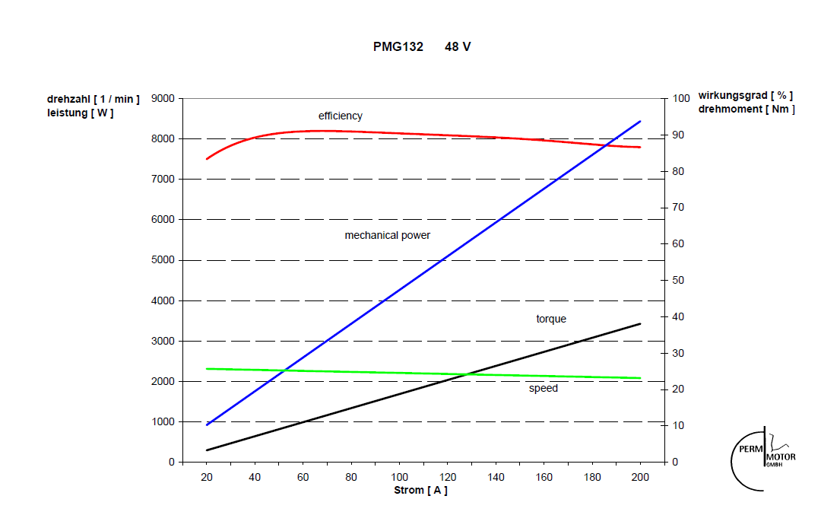
...
 |  |  |  | 60 | 72 | [V]
 |  |  |  | 110 | 110 | [A]
 |  |  |  | 2870 | 3480 | [rpm]
 |  |  |  | 47.83 | 48.33 | [rpm/V]
 |  |  |  | 0.19963686241 | 0.19757165349 | [V/rpm]

Ki | 34/180 | 0.18181818182
Km | 20/110 | 0.19928966787

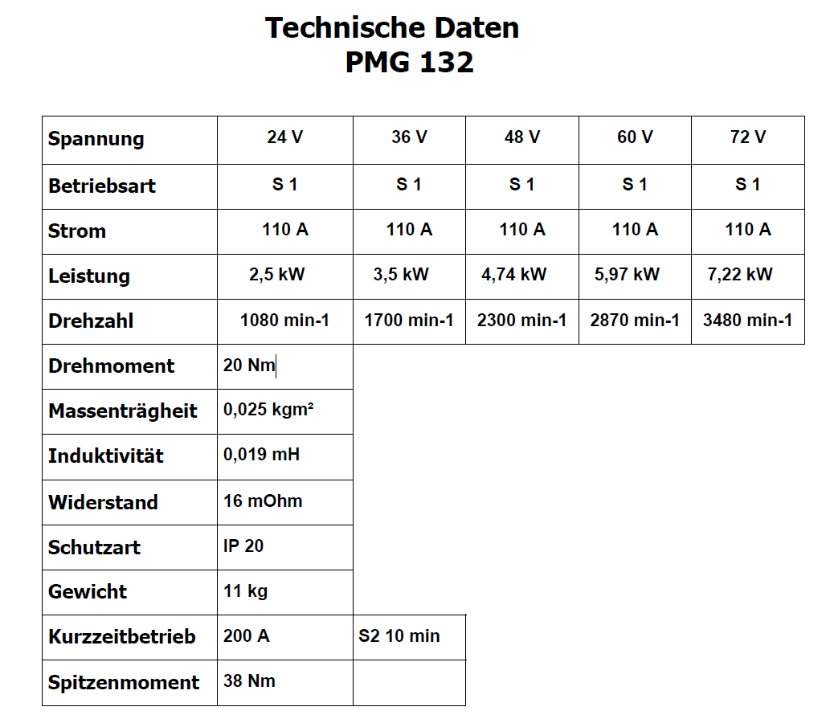

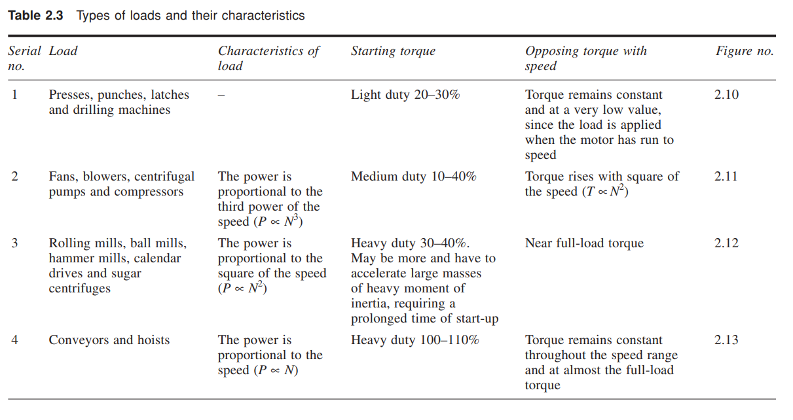

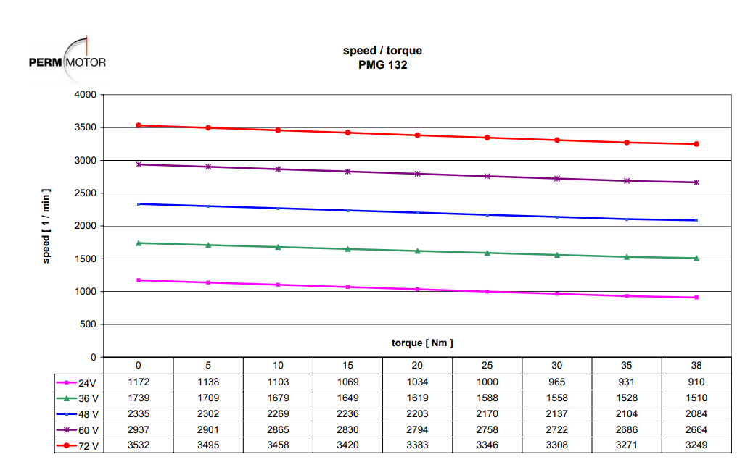

 | toeren | 2335 | 2302 | 2269 | 2236 | 2203 | 2170 | 2137 | 2104 | 2084
 | koppel | 0 | 5 | 10 | 15 | 20 | 25 | 30 | 35 | 38

Battery
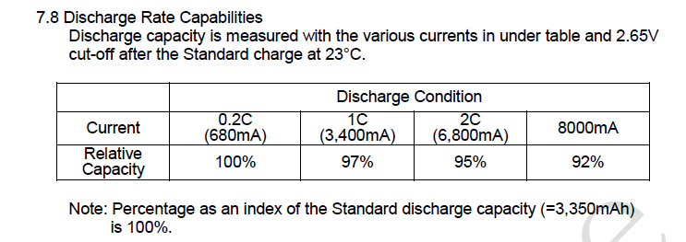
 | X | X | Y | Y
 | Discharge pack [A] | Discharge pack [W] | Capacity [Wh] | Efficiency
 | 0 | 0 | 1591.92 | 100.00% | interpollate function
 | 7.48 | 323.14 | 1591.920 | 100.00% | =FORECAST(E2, INDEX(Battery!E3:$E$6,MATCH(E2,Battery!$D$3:$D$6,1)):INDEX(Battery!E3:$E$6,MATCH(E2,Battery!$D$3:$D$6,1)+1), INDEX(Battery!$D$3:$D$6,MATCH(E2,Battery!$D$3:$D$6,1)):INDEX(Battery!$D$3:$D$6,MATCH(E2,Battery!$D$3:$D$6,1)+1))
 | 37.40 | 1615.68 | 1544.162 | 97.00%
 | 74.80 | 3231.36 | 1512.324 | 95.00%
 | 88.00 | 3801.60 | 1464.566 | 92.00%

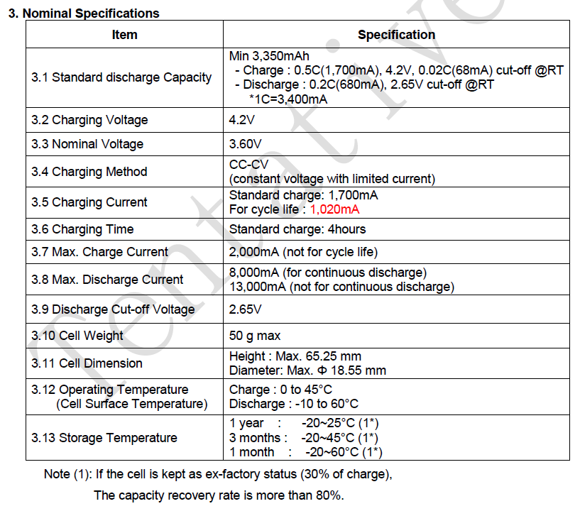
...
 | 12
 | 11
 | 132
 | 3.6 | [V]
Pack volt | 43.2 | [V]
Cell capacity | 3.350 | [Ah]
Pack capacity | 36.85 | [Ah]
Pack capacity | 1591.92 | [Wh]

Curves
...
P_in_elekt | current | voltage | Speed
[W] | [A] | [V] | [km/h]
0 | 0 | 0 | 0
10.744066424 | 1.3028917583 | 8.2463231158 | 1
29.228155747 | 2.4449846708 | 11.954330878 | 2
Power Curve MAROF boot met 4 blad prop & DC motor + PWM
 | P_in_elekt | n,motor | voltage | torque,motor | eta
0 | 0 | 0 | 0 | 0 | 84
1.3028917583 | 10.744066424 | 352.89494679 | 8.2463231158 | 0.2368894106 | 84
2.4449846708 | 29.228155747 | 511.57623828 | 11.954330878 | 0.44454266742 | 84
3.685750996 | 56.551960515 | 656.60890097 | 15.343402356 | 0.67013654472 | 84
4.7638669147 | 86.647769707 | 778.36421295 | 18.188537014 | 0.86615762085 | 84
6.0870561409 | 128.06518619 | 900.34481909 | 21.038936265 | 1.1067374802 | 84
7.4121060284 | 175.6163451 | 1013.931004 | 23.693177679 | 1.3476556415 | 84
8.721968192 | 223.15434184 | 1120.9728645 | 25.585319383 | 1.5858123985 | 86
10.099225155 | 282.49997073 | 1225.5600893 | 27.972440102 | 1.8362227555 | 86
11.609577635 | 352.3808512 | 1329.8422824 | 30.352598714 | 2.1108322973 | 86
13.138448963 | 429.05632113 | 1430.7852795 | 32.656542818 | 2.3888089024 | 86
14.687326927 | 512.57429091 | 1529.0381264 | 34.899086367 | 2.6704230775 | 86
16.284536179 | 604.37257286 | 1626.0489338 | 37.113281349 | 2.9608247599 | 86
19.279532078 | 777.5849714 | 1767.077618 | 40.332149568 | 3.5053694688 | 86
22.311525454 | 968.34399071 | 1901.5364492 | 43.401066086 | 4.0566409916 | 86
25.048214834 | 1129.2632079 | 2021.188773 | 45.083580422 | 4.5542208789 | 88
27.820495539 | 1326.4298928 | 2137.508829 | 47.678154796 | 5.0582719161 | 88
30.708400951 | 1543.2759247 | 2253.0708912 | 50.25582176 | 5.5833456274 | 88
33.629640773 | 1774.7538921 | 2365.9435965 | 52.773501331 | 6.1144801406 | 88
36.812446528 | 2037.9243368 | 2481.8861317 | 55.359654926 | 6.6931720961 | 88
40.038590613 | 2318.0437273 | 2595.5614813 | 57.895237864 | 7.2797437479 | 88
43.563747679 | 2637.1292261 | 2713.9050919 | 60.53494859 | 7.9206813961 | 88
47.109253845 | 2975.8269213 | 2831.9782966 | 63.168627784 | 8.565318881 | 88
50.942530132 | 3354.7498984 | 2952.3518606 | 65.853617591 | 9.2622782058 | 88
54.808586154 | 3754.4053172 | 3071.0086174 | 68.500313194 | 9.9651974825 | 88
57.449858412 | 4062.4086812 | 3170.1741974 | 70.712248794 | 10.445428802 | 88
60.107374185 | 4382.5646254 | 3268.8052802 | 72.912262179 | 10.928613488 | 88
62.783034337 | 4715.1215217 | 3366.9686027 | 75.101841946 | 11.415097152 | 88
65.477215904 | 5060.2017877 | 3464.703771 | 77.281871532 | 11.904948346 | 88
68.19027149 | 5417.9310081 | 3562.0460429 | 79.453137372 | 12.39823118 | 88
70.922530326 | 5788.4374808 | 3659.0269079 | 81.616341862 | 12.895005514 | 88
56.551960515 | 3.685750996 | 15.343402356 | 3
86.647769707 | 4.7638669147 | 18.188537014 | 4
128.06518619 | 6.0870561409 | 21.038936265 | 5
175.6163451 | 7.4121060284 | 23.693177679 | 6
223.15434184 | 8.721968192 | 25.585319383 | 7
282.49997073 | 10.099225155 | 27.972440102 | 8
352.3808512 | 11.609577635 | 30.352598714 | 9
429.05632113 | 13.138448963 | 32.656542818 | 10
512.57429091 | 14.687326927 | 34.899086367 | 11
604.37257286 | 16.284536179 | 37.113281349 | 12
777.5849714 | 19.279532078 | 40.332149568 | 13
968.34399071 | 22.311525454 | 43.401066086 | 14
1129.2632079 | 25.048214834 | 45.083580422 | 15
1326.4298928 | 27.820495539 | 47.678154796 | 16 | Cruise speed
1543.2759247 | 30.708400951 | 50.25582176 | 17
1774.7538921 | 33.629640773 | 52.773501331 | 18
2037.9243368 | 36.812446528 | 55.359654926 | 19
2318.0437273 | 40.038590613 | 57.895237864 | 20
2637.1292261 | 43.563747679 | 60.53494859 | 21
2975.8269213 | 47.109253845 | 63.168627784 | 22
3354.7498984 | 50.942530132 | 65.853617591 | 23
3754.4053172 | 54.808586154 | 68.500313194 | 24
4062.4086812 | 57.449858412 | 70.712248794 | 25
4382.5646254 | 60.107374185 | 72.912262179 | 26
4715.1215217 | 62.783034337 | 75.101841946 | 27
5060.2017877 | 65.477215904 | 77.281871532 | 28
5417.9310081 | 68.19027149 | 79.453137372 | 29
5788.4374808 | 70.922530326 | 81.616341862 | 30

1:3 | 9.1 | 27.3
dichtbij | 8.565318881 | 26.953229579
snelheid | 22 | 23
...

Analyse aandrijving marof
...
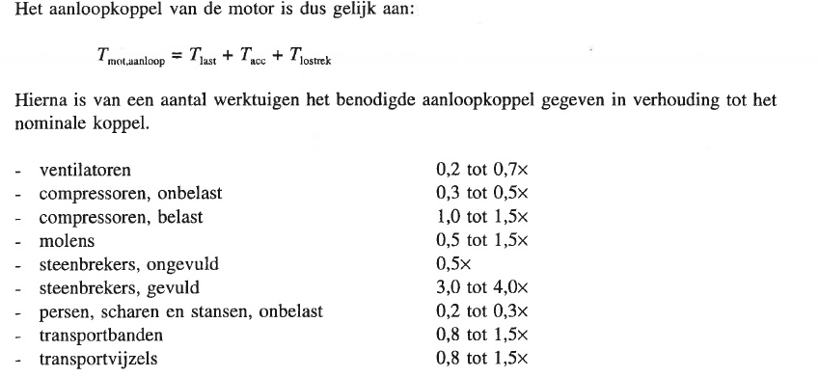
 |  |  |  |  |  |  |  |  |  |  |  |  |  |  |  | toepassing op 24V syst | Berekeningen versnellen |  |  |  |  |  |  | Berekeningen vertragen
 |  |  |  |  |  |  |  |  |  |  |  |  |  |  |  | toepassing op 48V syst | Gegevens
 |  |  |  |  |  |  |  |  |  |  |  |  |  |  |  |  | Naam | Waarde | Eenheid | Opmerking
 |  |  |  |  |  |  |  |  |  |  |  |  |  |  |  | Grenswaarden vermogen | Mprop. | 1.3 | kg |  |  |  |  | Berekening remtijd zonder gebruik van de schroef
 |  |  |  |  |  |  |  |  |  |  |  |  |  |  |  |  | dprop. | 0.36 | m
 |  |  |  |  |  |  |  |  |  |  |  |  |  |  |  |  | Factor | 0.4 |  |  |  |  |  | delta v [m/s] | Fweerstand [N] | a rem [m/s^2] | remtijd [sec]
 |  |  |  |  |  |  |  |  |  |  |  |  |  |  |  |  | T nom | 17.8 | Nm | <- bij max toerental huidige configuratie |  |  |  | 0.28 | 9.46 | 0.03 | 8.35
 |  |  |  |  |  |  |  |  |  |  |  |  |  |  |  |  | n prop | 788.6 | rpm |  |  |  |  | 0.28 | 18.91 | 0.07 | 4.18
 |  |  |  |  |  |  |  |  |  |  |  |  |  |  |  | * Andere overbrenging vereist, max toerental voor 24V met huidige configuratie | J prop. | 0.004 | kg/m^2 | <- uit solidworks model |  |  |  | 0.28 | 28.37 | 0.10 | 2.78
 |  |  |  |  |  |  |  |  |  |  |  |  |  |  |  |  | Overbrening 1: | 3 |  |  |  |  |  | 0.28 | 37.82 | 0.13 | 2.09
 |  |  |  |  |  |  |  |  |  |  |  |  |  |  |  |  | Jmotor | 0.025 | kg/m^2 |  |  |  |  | 0.28 | 47.28 | 0.17 | 1.67
 |  |  |  |  |  |  |  |  |  |  |  |  |  |  |  |  | Δtijd | 5 | seconden |  |  |  |  | 0.28 | 56.73 | 0.20 | 1.39
 |  |  |  |  |  |  |  |  |  |  |  |  |  |  |  |  |  |  |  |  |  |  |  | 0.28 | 66.19 | 0.23 | 1.19
 |  |  |  |  |  |  |  |  |  |  |  |  |  |  |  |  |  |  |  |  |  |  |  | 0.28 | 75.64 | 0.27 | 1.04
 |  |  |  |  |  |  |  |  |  |  |  |  |  |  |  |  | Berekeningen |  |  |  |  |  |  | 0.28 | 85.10 | 0.30 | 0.93
 |  |  |  |  |  |  |  |  |  |  |  |  |  |  |  |  | Wat | Formule | Uitkomst | Eenheid | Opmerking |  |  | 0.28 | 94.55 | 0.34 | 0.84
 |  |  |  |  |  |  |  |  |  |  |  |  |  |  |  |  | Hoeksnelheid | 2*pi*n/60 | 82.6 | rad/s |  |  |  | 0.28 | 104.01 | 0.37 | 0.76
 |  |  |  |  |  |  |  |  |  |  |  |  |  |  |  |  | Traagheidsmoment | Jprop/iT^2 | 0.0004 | kg/m^2 |  |  |  | 0.28 | 113.69 | 0.40 | 0.69
 |  |  |  |  |  |  |  |  |  |  |  |  |  |  |  |  | Tacc | J ( Δhoeksnelheid / Δtijd) + Jmotor | 0.03 | Nm |  |  |  | 0.28 | 134.84 | 0.48 | 0.59
 |  |  |  |  |  |  |  |  |  |  |  |  |  |  |  |  | Tlostrek | Tnom*factor | 7.1 | Nm |  |  |  | 0.28 | 155.97 | 0.55 | 0.51
 |  |  |  |  |  |  |  |  |  |  |  |  |  |  |  | * Maximaal toerental huidige configuratie | Taanloop | Tnom+Tlostrek+Tacc | 24.94 | Nm | < max op grote tandwiel 27N, kleine 9N |  |  | 0.28 | 174.32 | 0.62 | 0.45
 |  |  |  |  |  |  |  |  |  |  |  |  |  |  |  |  |  |  |  |  |  |  |  | 0.28 | 192.68 | 0.68 | 0.41
 |  |  |  |  |  |  |  |  |  |  |  |  |  |  |  |  |  |  |  |  |  |  |  | 0.28 | 211.71 | 0.75 | 0.37
...
Vessel |  | Propeller |  |  |  | Gearbox | Motor
7.5 | 27.0 | 33.2 | 3284.5 | 0.84 | 1122.3 | 0.97 | 3367.0 | 11.4 | 4149.3 | 0.88 | 88 | 4715.1 | 62.8 | 75.1 | 27.0 |  |  |  |  |  |  |  | 0.28 | 9.46 | 242.89 | 252.35
7.8 | 28.0 | 34.6 | 3532.3 | 0.84 | 1154.9 | 0.97 | 3464.7 | 11.9 | 4453.0 | 0.88 | 88 | 5060.2 | 65.5 | 77.3 | 28.0 |  |  |  |  |  |  |  | 0.28 | 18.91 | 242.89 | 261.80
8.1 | 29.0 | 36.1 | 3789.1 | 0.84 | 1187.3 | 0.97 | 3562.0 | 12.4 | 4767.8 | 0.88 | 88 | 5417.9 | 68.2 | 79.5 | 29.0 | * Andere overbrenging vereist, max vermogen voor 48V met huidige configuratie, speed t.o.v. koppel te hoog | Gebruikte formules: |  |  |  |  |  | 0.28 | 28.37 | 242.89 | 271.26
8.3 | 30.0 | 37.5 | 4054.9 | 0.85 | 1219.7 | 0.97 | 3659.0 | 12.9 | 5093.8 | 0.88 | 88 | 5788.4 | 70.9 | 81.6 | 30.0 | * Motorvermogen te hoog voor 48V | Wat | Formule |  |  |  |  | 0.28 | 37.82 | 242.89 | 280.71
 |  |  |  |  |  |  |  |  |  |  |  |  |  |  |  |  | vertraging | a=F/m |  |  |  |  | 0.28 | 47.28 | 242.89 | 290.17
Opmerkingen: |  |  |  |  |  |  |  |  |  |  |  |  |  |  |  |  | remtijd | r=v0/a |  |  |  |  | 0.28 | 56.73 | 242.89 | 299.62
indien het voltage naar 24 V veranderd moet de overbrenging veranderen, dit is wel zeer nadelig, maximaale haalbare snelheid wordt dan 20km/h |  |  |  |  |  |  |  |  |  |  |  |  |  |  |  |  | Totale remkracht | Fremtot = Fschroef+Fweerstand |  |  |  |  | 0.28 | 66.19 | 242.89 | 309.08
indien de configuratie onveranderd blijft wordt de maximale snelheid 23 km/h |  |  |  |  |  |  |  |  |  |  |  |  |  |  |  |  |  |  |  |  |  |  | 0.28 | 75.64 | 242.89 | 318.53
indien 48V de spanning blijft en de overbrenging veranderd kunnen we maximaal 29 km/h, mits dit in de strut past |  |  |  |  |  |  |  |  |  |  |  |  |  |  |  |  |  |  |  |  |  |  | 0.28 | 85.10 | 242.89 | 327.99
De efficiëntie van de schroef gaat omhoog indien de snelheid omhoog gaat tot nu toe |  |  |  |  |  |  |  |  |  |  |  |  |  |  |  |  |  |  |  |  |  |  | 0.28 | 94.55 | 242.89 | 337.44
Koppel toeren karakteristiek
 | Schroef
0.0 | 0.0
117.6 | 0.7
170.5 | 1.3
218.9 | 2.0
259.5 | 2.5
300.1 | 3.2
338.0 | 3.9
373.7 | 4.6
408.5 | 5.3
443.3 | 6.1
476.9 | 7.0
509.7 | 7.8
542.0 | 8.6
589.0 | 10.2
633.8 | 11.8
673.7 | 13.3
712.5 | 14.7
751.0 | 16.2
788.6 | 17.8
827.3 | 19.5
865.2 | 21.2
904.6 | 23.0
944.0 | 24.9
984.1 | 27.0
1023.7 | 29.0
1056.7 | 30.4
1089.6 | 31.8
1122.3 | 33.2
1154.9 | 34.6
1187.3 | 36.1
1219.7 | 37.5
Remtijd vs koppel schroef
 |  |  |  |  |  |  |  |  |  |  |  |  |  |  |  |  |  |  |  |  |  |  | 0.28 | 104.01 | 242.89 | 346.90
 |  |  |  |  |  |  |  |  |  |  |  |  |  |  |  |  |  |  |  |  |  |  | 0.28 | 113.69 | 242.89 | 356.58
 |  |  |  |  |  |  |  |  |  |  |  |  |  |  |  |  |  |  |  |  |  |  | 0.28 | 134.84 | 242.89 | 377.73
 |  |  |  |  |  |  |  |  |  |  |  |  |  |  |  |  |  |  |  |  |  |  | 0.28 | 155.97 | 242.89 | 398.86
https://www.physicsforums.com/threads/moment-of-inertia-formula-for-a-propeller.605812/ |  |  |  |  |  |  |  |  |  |  |  |  |  |  |  |  |  |  |  |  |  |  | 0.28 | 174.32 | 242.89 | 417.21
2/3mr^2 Source https://www.physicsforums.com/threads/moment-of-inertia-formula-for-a-propeller.605812/ |  |  |  |  |  |  |  |  |  |  |  |  |  |  |  |  |  |  |  |  |  |  | 0.28 | 192.68 | 242.89 | 435.57
 |  |  |  |  |  |  |  |  |  |  |  |  |  |  |  |  |  |  |  |  |  |  | 0.28 | 211.71 | 242.89 | 454.60
 |  |  |  |  |  |  |  |  |  |  |  |  |  |  |  |  |  |  |  |  |  |  | 0.28 | 230.74 | 242.89 | 473.63
 |  |  |  |  |  |  |  |  |  |  |  |  |  |  |  |  |  |  |  |  |  | Totaal | 5.0

 |  |  |  |  |  |  |  |  |  |  |  |  |  |  |  |  |  |  |  |  |  |  | Overzicht Stuwkracht schroef t.o.v. Remtijd

 |  |  |  |  |  |  |  |  |  |  |  |  |  |  |  |  |  |  |  |  |  |  | Koppel schroef [Nm] | toerantal schroef [rpm] | Fschroef [N] | Remtijd [sec]
 |  |  |  |  |  |  |  |  |  |  |  |  |  |  |  |  |  |  |  |  |  |  | 0.00 | 0.00 | 0.00 | 28.58
 |  |  |  |  |  |  |  |  |  |  |  |  |  |  |  |  |  |  |  |  |  |  | 0.69 | 117.63 | 9.95 | 20.48
 |  |  |  |  |  |  |  |  |  |  |  |  |  |  |  |  |  |  |  |  |  |  | 1.29 | 170.53 | 19.91 | 16.74
 |  |  |  |  |  |  |  |  |  |  |  |  |  |  |  |  |  |  |  |  |  |  | 1.95 | 218.87 | 29.86 | 14.39
 |  |  |  |  |  |  |  |  |  |  |  |  |  |  |  |  |  |  |  |  |  |  | 2.52 | 259.45 | 39.81 | 12.73
 |  |  |  |  |  |  |  |  |  |  |  |  |  |  |  |  |  |  |  |  |  |  | 3.22 | 300.11 | 49.77 | 11.46
 |  |  |  |  |  |  |  |  |  |  |  |  |  |  |  |  |  |  |  |  |  |  | 3.92 | 337.98 | 59.72 | 10.46
 |  |  |  |  |  |  |  |  |  |  |  |  |  |  |  |  |  |  |  |  |  |  | 4.61 | 373.66 | 69.67 | 9.63
 |  |  |  |  |  |  |  |  |  |  |  |  |  |  |  |  |  |  |  |  |  |  | 5.34 | 408.52 | 79.62 | 8.94
 |  |  |  |  |  |  |  |  |  |  |  |  |  |  |  |  |  |  |  |  |  |  | 6.14 | 443.28 | 89.58 | 8.35
 |  |  |  |  |  |  |  |  |  |  |  |  |  |  |  |  |  |  |  |  |  |  | 6.95 | 476.93 | 99.53 | 7.84
 |  |  |  |  |  |  |  |  |  |  |  |  |  |  |  |  |  |  |  |  |  |  | 7.77 | 509.68 | 109.48 | 7.4
 |  |  |  |  |  |  |  |  |  |  |  |  |  |  |  |  |  |  |  |  |  |  | 8.62 | 542.02 | 119.67 | 6.99
 |  |  |  |  |  |  |  |  |  |  |  |  |  |  |  |  |  |  |  |  |  |  | 10.20 | 589.03 | 141.93 | 6.26
 |  |  |  |  |  |  |  |  |  |  |  |  |  |  |  |  |  |  |  |  |  |  | 11.80 | 633.85 | 164.18 | 5.67
 |  |  |  |  |  |  |  |  |  |  |  |  |  |  |  |  |  |  |  |  |  |  | 13.25 | 673.73 | 183.50 | 5.24
 |  |  |  |  |  |  |  |  |  |  |  |  |  |  |  |  |  |  |  |  |  |  | 14.72 | 712.50 | 202.82 | 4.88
 |  |  |  |  |  |  |  |  |  |  |  |  |  |  |  |  |  |  |  |  |  |  | 16.25 | 751.02 | 222.85 | 4.55
 |  |  |  |  |  |  |  |  |  |  |  |  |  |  |  |  |  |  |  |  |  |  | 17.79 | 788.65 | 242.89 | 4.27

